Sheet1
simulationRev2Vax.js:833 Mon Jan 04 2021 15:01:37 GMT-0800 (Pacific Standard Time)
simulationRev2Vax.js:834 CovidSIMVL Mode1 and Mod2 Pfizer
simulationRev2Vax.js:4304 exit covidSim
simulationRev2Vax.js:23 getAsText File
simulationRev2Vax.js:32 File
simulationRev2Vax.js:23 getAsText File
simulationRev2Vax.js:32 File
simulationRev2Vax.js:1318 Case 5,5,3,3.6,4.2,A,5
simulationRev2Vax.js:1665 Mode 1,100 modified
simulationRev2Vax.js:1681 (100) [0, 1, 2, 3, 4, 5, 6, 7, 8, 9, 10, 11, 12, 13, 14, 15, 16, 17, 18, 19, 20, 21, 22, 23, 24, 25, 26, 27, 28, 29, 30, 31, 32, 33, 34, 35, 36, 37, 38, 39, 40, 41, 42, 43, 44, 45, 46, 47, 48, 49, 50, 51, 52, 53, 54, 55, 56, 57, 58, 59, 60, 61, 62, 63, 64, 65, 66, 67, 68, 69, 70, 71, 72, 73, 74, 75, 76, 77, 78, 79, 80, 81, 82, 83, 84, 85, 86, 87, 88, 89, 90, 91, 92, 93, 94, 95, 96, 97, 98, 99]
simulationRev2Vax.js:1691 (99) [0, 1, 2, 3, 4, 6, 7, 8, 9, 10, 11, 12, 13, 14, 15, 16, 17, 18, 19, 20, 21, 22, 23, 24, 25, 26, 27, 28, 29, 30, 31, 32, 33, 34, 35, 36, 37, 38, 39, 40, 41, 42, 43, 44, 45, 46, 47, 48, 49, 50, 51, 52, 53, 54, 55, 56, 57, 58, 59, 60, 61, 62, 63, 64, 65, 66, 67, 68, 69, 70, 71, 72, 73, 74, 75, 76, 77, 78, 79, 80, 81, 82, 83, 84, 85, 86, 87, 88, 89, 90, 91, 92, 93, 94, 95, 96, 97, 98, 99]
simulationRev2Vax.js:1719 Vaccination list = 99
simulationRev2Vax.js:1733 vaccinated 73,50,80,28,32,88,90,21,40,34,95,6,39,24,69,48,30,91,75,16,79,55,72,23,74,36,42,76,52,70,94,56,13,93,49,9,29,51,46,27,62,77,68,20,35,92,15,85,43,19,37,26,98,89,22,60,65,2,64,25,96,33,82,4,12,53,17,66,99,8,59,86,97,57,3,63,41,84,18,54,31,71,45,10,44,38,81,78,61,87,1,58,67,7,11,0,47,14,83
simulationRev2Vax.js:2139 1I j:famKey 31:-1 infected by blue i:famKey 5:-1 at gen 2 in Univ0 prob=0.097
simulationRev2Vax.js:2139 2I j:famKey 86:-1 infected by red i:famKey 5:-1 at gen 17 in Univ0 prob=0.681
simulationRev2Vax.js:2156 3I i:famKey 23:-1 infected by blue j:famKey 31:-1 at gen 54 in U0 prob=0.244
simulationRev2Vax.js:2139 4I j:famKey 29:-1 infected by red i:famKey 5:-1 at gen 70 in Univ0 prob=0.077
simulationRev2Vax.js:2139 5I j:famKey 57:-1 infected by blue i:famKey 31:-1 at gen 75 in Univ0 prob=0.564
simulationRev2Vax.js:2139 6I j:famKey 83:-1 infected by blue i:famKey 31:-1 at gen 80 in Univ0 prob=0.646
simulationRev2Vax.js:2139 7I j:famKey 48:-1 infected by red i:famKey 5:-1 at gen 92 in Univ0 prob=0.252
simulationRev2Vax.js:2139 8I j:famKey 51:-1 infected by red i:famKey 5:-1 at gen 94 in Univ0 prob=0.168
simulationRev2Vax.js:2139 9I j:famKey 81:-1 infected by blue i:famKey 31:-1 at gen 119 in Univ0 prob=0.260
simulationRev2Vax.js:2139 10I j:famKey 94:-1 infected by blue i:famKey 86:-1 at gen 131 in Univ0 prob=0.087
simulationRev2Vax.js:2156 10I i:famKey 67:-1 infected by blue j:famKey 83:-1 at gen 132 in U0 prob=0.683
simulationRev2Vax.js:2139 12I j:famKey 71:-1 infected by blue i:famKey 23:-1 at gen 144 in Univ0 prob=0.641
simulationRev2Vax.js:2156 13I i:famKey 19:-1 infected by blue j:famKey 23:-1 at gen 161 in U0 prob=0.821
simulationRev2Vax.js:2139 13I j:famKey 68:-1 infected by red i:famKey 31:-1 at gen 162 in Univ0 prob=0.806
simulationRev2Vax.js:2139 14I j:famKey 27:-1 infected by red i:famKey 5:-1 at gen 163 in Univ0 prob=0.188
simulationRev2Vax.js:2156 14I i:famKey 15:-1 infected by red j:famKey 31:-1 at gen 163 in U0 prob=0.924
simulationRev2Vax.js:2139 17I j:famKey 95:-1 infected by blue i:famKey 83:-1 at gen 167 in Univ0 prob=0.606
simulationRev2Vax.js:2139 18I j:famKey 91:-1 infected by blue i:famKey 57:-1 at gen 177 in Univ0 prob=0.772
simulationRev2Vax.js:2139 19I j:famKey 41:-1 infected by red i:famKey 31:-1 at gen 185 in Univ0 prob=0.985
simulationRev2Vax.js:2139 20I j:famKey 79:-1 infected by blue i:famKey 48:-1 at gen 193 in Univ0 prob=0.408
simulationRev2Vax.js:2156 20I i:famKey 79:-1 infected by red j:famKey 86:-1 at gen 193 in U0 prob=0.641
simulationRev2Vax.js:2139 21I j:famKey 65:-1 infected by blue i:famKey 48:-1 at gen 203 in Univ0 prob=0.512
simulationRev2Vax.js:2156 22I i:famKey 18:-1 infected by red j:famKey 29:-1 at gen 206 in U0 prob=0.060
simulationRev2Vax.js:2156 23I i:famKey 21:-1 infected by blue j:famKey 71:-1 at gen 209 in U0 prob=0.873
simulationRev2Vax.js:2156 24I i:famKey 49:-1 infected by blue j:famKey 94:-1 at gen 213 in U0 prob=0.883
simulationRev2Vax.js:2139 25I j:famKey 75:-1 infected by blue i:famKey 19:-1 at gen 216 in Univ0 prob=0.258
simulationRev2Vax.js:2139 25I j:famKey 92:-1 infected by red i:famKey 29:-1 at gen 217 in Univ0 prob=0.608
simulationRev2Vax.js:2139 27I j:famKey 58:-1 infected by red i:famKey 23:-1 at gen 219 in Univ0 prob=0.258
simulationRev2Vax.js:2139 28I j:famKey 46:-1 infected by red i:famKey 31:-1 at gen 221 in Univ0 prob=0.369
simulationRev2Vax.js:2139 29I j:famKey 54:-1 infected by red i:famKey 29:-1 at gen 223 in Univ0 prob=0.080
simulationRev2Vax.js:2156 30I i:famKey 64:-1 infected by blue j:famKey 67:-1 at gen 228 in U0 prob=0.227
simulationRev2Vax.js:2139 31I j:famKey 98:-1 infected by red i:famKey 51:-1 at gen 231 in Univ0 prob=0.686
simulationRev2Vax.js:2139 31I j:famKey 90:-1 infected by red i:famKey 57:-1 at gen 232 in Univ0 prob=0.097
simulationRev2Vax.js:2139 33I j:famKey 72:-1 infected by blue i:famKey 27:-1 at gen 235 in Univ0 prob=0.523
simulationRev2Vax.js:2139 33I j:famKey 66:-1 infected by blue i:famKey 15:-1 at gen 236 in Univ0 prob=0.310
simulationRev2Vax.js:2156 35I i:famKey 59:-1 infected by blue j:famKey 71:-1 at gen 239 in U0 prob=0.501
simulationRev2Vax.js:2139 36I j:famKey 33:-1 infected by red i:famKey 23:-1 at gen 241 in Univ0 prob=0.008
simulationRev2Vax.js:2139 36I j:famKey 96:-1 infected by red i:famKey 83:-1 at gen 241 in Univ0 prob=0.797
simulationRev2Vax.js:2139 38I j:famKey 35:-1 infected by red i:famKey 29:-1 at gen 243 in Univ0 prob=0.342
simulationRev2Vax.js:2156 39I i:famKey 0:-1 infected by red j:famKey 29:-1 at gen 247 in U0 prob=0.578
simulationRev2Vax.js:2156 39I i:famKey 20:-1 infected by red j:famKey 23:-1 at gen 247 in U0 prob=0.656
simulationRev2Vax.js:2139 41I j:famKey 77:-1 infected by red i:famKey 51:-1 at gen 252 in Univ0 prob=0.032
simulationRev2Vax.js:2139 42I j:famKey 74:-1 infected by red i:famKey 57:-1 at gen 255 in Univ0 prob=0.306
simulationRev2Vax.js:2156 42I i:famKey 9:-1 infected by red j:famKey 57:-1 at gen 256 in U0 prob=0.550
simulationRev2Vax.js:2156 44I i:famKey 10:-1 infected by blue j:famKey 41:-1 at gen 259 in U0 prob=0.850
simulationRev2Vax.js:2156 44I i:famKey 42:-1 infected by red j:famKey 86:-1 at gen 260 in U0 prob=0.709
simulationRev2Vax.js:2156 46I i:famKey 14:-1 infected by red j:famKey 83:-1 at gen 264 in U0 prob=0.282
simulationRev2Vax.js:2156 47I i:famKey 38:-1 infected by red j:famKey 67:-1 at gen 270 in U0 prob=0.479
simulationRev2Vax.js:2156 48I i:famKey 26:-1 infected by red j:famKey 81:-1 at gen 278 in U0 prob=0.559
simulationRev2Vax.js:2156 48I i:famKey 37:-1 infected by blue j:famKey 92:-1 at gen 279 in U0 prob=0.928
simulationRev2Vax.js:2139 50I j:famKey 84:-1 infected by blue i:famKey 54:-1 at gen 281 in Univ0 prob=0.975
simulationRev2Vax.js:2156 51I i:famKey 25:-1 infected by red j:famKey 68:-1 at gen 286 in U0 prob=0.523
simulationRev2Vax.js:2139 52I j:famKey 56:-1 infected by blue i:famKey 41:-1 at gen 289 in Univ0 prob=0.823
simulationRev2Vax.js:2156 53I i:famKey 32:-1 infected by blue j:famKey 65:-1 at gen 297 in U0 prob=0.715
simulationRev2Vax.js:2156 53I i:famKey 36:-1 infected by blue j:famKey 54:-1 at gen 297 in U0 prob=0.375
simulationRev2Vax.js:2156 55I i:famKey 11:-1 infected by blue j:famKey 58:-1 at gen 301 in U0 prob=0.621
simulationRev2Vax.js:2156 56I i:famKey 28:-1 infected by blue j:famKey 98:-1 at gen 306 in U0 prob=0.520
simulationRev2Vax.js:2156 56I i:famKey 16:-1 infected by blue j:famKey 66:-1 at gen 307 in U0 prob=0.283
simulationRev2Vax.js:2139 58I j:famKey 47:-1 infected by blue i:famKey 10:-1 at gen 310 in Univ0 prob=0.903
simulationRev2Vax.js:2139 59I j:famKey 88:-1 infected by blue i:famKey 46:-1 at gen 312 in Univ0 prob=0.799
simulationRev2Vax.js:2139 60I j:famKey 87:-1 infected by red i:famKey 79:-1 at gen 319 in Univ0 prob=0.182
simulationRev2Vax.js:2139 61I j:famKey 45:-1 infected by yellow i:famKey 16:-1 at gen 321 in Univ0 prob=0.783
simulationRev2Vax.js:2139 61I j:famKey 76:-1 infected by red i:famKey 67:-1 at gen 322 in Univ0 prob=0.368
simulationRev2Vax.js:2156 62I i:famKey 39:-1 infected by blue j:famKey 77:-1 at gen 323 in U0 prob=0.142
simulationRev2Vax.js:2139 63I j:famKey 85:-1 infected by red i:famKey 57:-1 at gen 324 in Univ0 prob=0.759
simulationRev2Vax.js:2139 65I j:famKey 17:-1 infected by yellow i:famKey 16:-1 at gen 326 in Univ0 prob=0.674
simulationRev2Vax.js:2156 66I i:famKey 22:-1 infected by blue j:famKey 66:-1 at gen 328 in U0 prob=0.991
simulationRev2Vax.js:2156 66I i:famKey 53:-1 infected by red j:famKey 79:-1 at gen 329 in U0 prob=0.405
simulationRev2Vax.js:2139 68I j:famKey 82:-1 infected by blue i:famKey 46:-1 at gen 331 in Univ0 prob=0.966
simulationRev2Vax.js:2139 69I j:famKey 93:-1 infected by blue i:famKey 10:-1 at gen 333 in Univ0 prob=0.568
simulationRev2Vax.js:2156 69I i:famKey 13:-1 infected by red j:famKey 67:-1 at gen 334 in U0 prob=0.896
simulationRev2Vax.js:2156 71I i:famKey 40:-1 infected by red j:famKey 48:-1 at gen 337 in U0 prob=0.957
simulationRev2Vax.js:2156 72I i:famKey 3:-1 infected by blue j:famKey 26:-1 at gen 342 in U0 prob=0.605
simulationRev2Vax.js:2156 72I i:famKey 30:-1 infected by red j:famKey 79:-1 at gen 343 in U0 prob=0.817
simulationRev2Vax.js:2156 72I i:famKey 44:-1 infected by red j:famKey 75:-1 at gen 343 in U0 prob=0.970
simulationRev2Vax.js:2156 75I i:famKey 4:-1 infected by red j:famKey 81:-1 at gen 360 in U0 prob=0.562
simulationRev2Vax.js:2156 76I i:famKey 7:-1 infected by blue j:famKey 10:-1 at gen 363 in U0 prob=0.913
simulationRev2Vax.js:2156 77I i:famKey 12:-1 infected by blue j:famKey 16:-1 at gen 367 in U0 prob=0.802
simulationRev2Vax.js:2156 78I i:famKey 34:-1 infected by blue j:famKey 37:-1 at gen 376 in U0 prob=0.589
simulationRev2Vax.js:2156 79I i:famKey 69:-1 infected by red j:famKey 96:-1 at gen 380 in U0 prob=0.642
simulationRev2Vax.js:2156 80I i:famKey 2:-1 infected by red j:famKey 66:-1 at gen 383 in U0 prob=0.776
simulationRev2Vax.js:2139 81I j:famKey 52:-1 infected by blue i:famKey 22:-1 at gen 386 in Univ0 prob=0.715
simulationRev2Vax.js:2156 82I i:famKey 24:-1 infected by blue j:famKey 45:-1 at gen 390 in U0 prob=0.904
simulationRev2Vax.js:2156 83I i:famKey 6:-1 infected by blue j:famKey 32:-1 at gen 394 in U0 prob=0.638
simulationRev2Vax.js:2139 84I j:famKey 99:-1 infected by blue i:famKey 88:-1 at gen 398 in Univ0 prob=0.731
simulationRev2Vax.js:2156 85I i:famKey 8:-1 infected by blue j:famKey 17:-1 at gen 403 in U0 prob=0.661
simulationRev2Vax.js:2156 85I i:famKey 73:-1 infected by red j:famKey 81:-1 at gen 403 in U0 prob=0.983
simulationRev2Vax.js:2139 87I j:famKey 61:-1 infected by yellow i:famKey 8:-1 at gen 407 in Univ0 prob=0.710
simulationRev2Vax.js:2139 88I j:famKey 80:-1 infected by red i:famKey 10:-1 at gen 415 in Univ0 prob=0.569
simulationRev2Vax.js:2139 88I j:famKey 89:-1 infected by red i:famKey 20:-1 at gen 416 in Univ0 prob=0.568
simulationRev2Vax.js:2139 90I j:famKey 63:-1 infected by blue i:famKey 16:-1 at gen 419 in Univ0 prob=0.557
simulationRev2Vax.js:2139 90I j:famKey 60:-1 infected by red i:famKey 58:-1 at gen 420 in Univ0 prob=0.665
simulationRev2Vax.js:2139 91I j:famKey 70:-1 infected by red i:famKey 66:-1 at gen 421 in Univ0 prob=0.970
simulationRev2Vax.js:2139 93I j:famKey 78:-1 infected by red i:famKey 21:-1 at gen 426 in Univ0 prob=0.726
simulationRev2Vax.js:2156 94I i:famKey 50:-1 infected by blue j:famKey 88:-1 at gen 432 in U0 prob=0.724
simulationRev2Vax.js:2156 95I i:famKey 43:-1 infected by blue j:famKey 53:-1 at gen 440 in U0 prob=0.631
simulationRev2Vax.js:2139 96I j:famKey 55:-1 infected by red i:famKey 17:-1 at gen 456 in Univ0 prob=0.662
simulationRev2Vax.js:2139 96I j:famKey 62:-1 infected by blue i:famKey 52:-1 at gen 456 in Univ0 prob=0.778
simulationRev2Vax.js:2156 98I i:famKey 1:-1 infected by red j:famKey 33:-1 at gen 483 in U0 prob=0.773
simulationRev2Vax.js:2139 99I j:famKey 97:-1 infected by red i:famKey 2:-1 at gen 558 in Univ0 prob=0.579

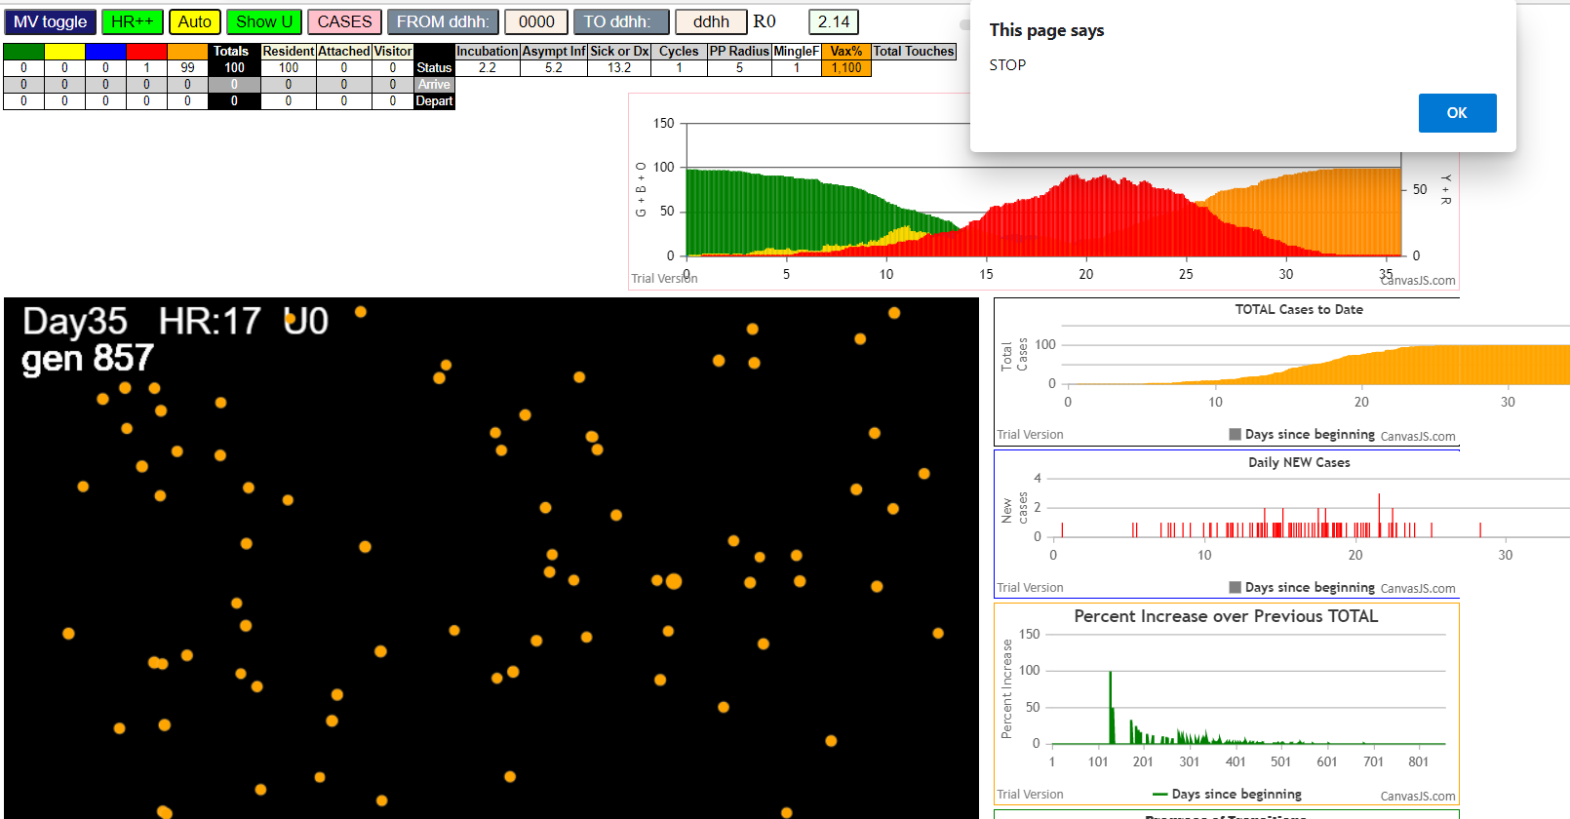

simulationRev2Vax.js:833 Mon Jan 04 2021 15:48:59 GMT-0800 (Pacific Standard Time)
simulationRev2Vax.js:834 CovidSIMVL Mode1 and Mod2 Pfizer
simulationRev2Vax.js:4304 exit covidSim
simulationRev2Vax.js:23 getAsText File {name: "HundredAgentsU0mF1.csv", lastModified: 1608077990000, lastModifiedDate: Tue Dec 15 2020 16:19:50 GMT-0800 (Pacific Standard Time), webkitRelativePath: "", size: 2140, …}
simulationRev2Vax.js:32 File {name: "HundredAgentsU0mF1.csv", lastModified: 1608077990000, lastModifiedDate: Tue Dec 15 2020 16:19:50 GMT-0800 (Pacific Standard Time), webkitRelativePath: "", size: 2140, …}
simulationRev2Vax.js:23 getAsText File {name: "VL1.csv", lastModified: 1608081530000, lastModifiedDate: Tue Dec 15 2020 17:18:50 GMT-0800 (Pacific Standard Time), webkitRelativePath: "", size: 65, …}
simulationRev2Vax.js:32 File {name: "VL1.csv", lastModified: 1608081530000, lastModifiedDate: Tue Dec 15 2020 17:18:50 GMT-0800 (Pacific Standard Time), webkitRelativePath: "", size: 65, …}
simulationRev2Vax.js:1318 Case 5,5,3,3.6,4.2,A,5
simulationRev2Vax.js:1665 Mode 2,100 modified
simulationRev2Vax.js:1681 (100) [0, 1, 2, 3, 4, 5, 6, 7, 8, 9, 10, 11, 12, 13, 14, 15, 16, 17, 18, 19, 20, 21, 22, 23, 24, 25, 26, 27, 28, 29, 30, 31, 32, 33, 34, 35, 36, 37, 38, 39, 40, 41, 42, 43, 44, 45, 46, 47, 48, 49, 50, 51, 52, 53, 54, 55, 56, 57, 58, 59, 60, 61, 62, 63, 64, 65, 66, 67, 68, 69, 70, 71, 72, 73, 74, 75, 76, 77, 78, 79, 80, 81, 82, 83, 84, 85, 86, 87, 88, 89, 90, 91, 92, 93, 94, 95, 96, 97, 98, 99]
simulationRev2Vax.js:1691 (99) [0, 1, 2, 3, 4, 6, 7, 8, 9, 10, 11, 12, 13, 14, 15, 16, 17, 18, 19, 20, 21, 22, 23, 24, 25, 26, 27, 28, 29, 30, 31, 32, 33, 34, 35, 36, 37, 38, 39, 40, 41, 42, 43, 44, 45, 46, 47, 48, 49, 50, 51, 52, 53, 54, 55, 56, 57, 58, 59, 60, 61, 62, 63, 64, 65, 66, 67, 68, 69, 70, 71, 72, 73, 74, 75, 76, 77, 78, 79, 80, 81, 82, 83, 84, 85, 86, 87, 88, 89, 90, 91, 92, 93, 94, 95, 96, 97, 98, 99]
simulationRev2Vax.js:1719 Vaccination list = 99
simulationRev2Vax.js:1733 vaccinated 66,22,67,75,20,45,60,95,10,87,26,84,55,56,65,99,36,78,69,40,38,80,48,13,7,23,46,25,93,82,94,70,29,57,19,3,91,90,11,42,89,4,61,0,27,37,28,68,15,21,17,16,86,34,81,98,50,77,62,58,44,51,83,63,1,39,53,47,24,64,41,54,6,32,59,31,88,71,2,9,52,33,49,72,18,8,85,96,12,30,92,74,35,43,14,97,79,73,76
simulationRev2Vax.js:2139 1I j:famKey 34:-1 infected by blue i:famKey 5:-1 at gen 6 in Univ0 prob=0.832
simulationRev2Vax.js:2139 2I j:famKey 89:-1 infected by blue i:famKey 5:-1 at gen 22 in Univ0 prob=0.743
simulationRev2Vax.js:2139 3I j:famKey 7:-1 infected by red i:famKey 5:-1 at gen 47 in Univ0 prob=0.112
simulationRev2Vax.js:2139 4I j:famKey 92:-1 infected by red i:famKey 5:-1 at gen 64 in Univ0 prob=0.254
simulationRev2Vax.js:2139 5I j:famKey 56:-1 infected by blue i:famKey 34:-1 at gen 79 in Univ0 prob=0.163
simulationRev2Vax.js:2139 6I j:famKey 68:-1 infected by blue i:famKey 34:-1 at gen 81 in Univ0 prob=0.455
simulationRev2Vax.js:2156 7I i:famKey 0:-1 infected by red j:famKey 5:-1 at gen 87 in U0 prob=0.314
simulationRev2Vax.js:2156 7I i:famKey 1:-1 infected by blue j:famKey 89:-1 at gen 88 in U0 prob=0.571
simulationRev2Vax.js:2156 9I i:famKey 72:-1 infected by blue j:famKey 89:-1 at gen 95 in U0 prob=0.386
simulationRev2Vax.js:2156 9I i:famKey 4:-1 infected by blue j:famKey 89:-1 at gen 96 in U0 prob=0.938
simulationRev2Vax.js:2156 9I i:famKey 58:-1 infected by blue j:famKey 89:-1 at gen 96 in U0 prob=0.937
simulationRev2Vax.js:2139 12I j:famKey 45:-1 infected by red i:famKey 5:-1 at gen 102 in Univ0 prob=0.101
simulationRev2Vax.js:2139 13I j:famKey 93:-1 infected by blue i:famKey 89:-1 at gen 113 in Univ0 prob=0.029
simulationRev2Vax.js:2139 14I j:famKey 76:-1 infected by red i:famKey 5:-1 at gen 119 in Univ0 prob=0.671
simulationRev2Vax.js:2139 15I j:famKey 94:-1 infected by blue i:famKey 92:-1 at gen 121 in Univ0 prob=0.708
simulationRev2Vax.js:2139 16I j:famKey 22:-1 infected by red i:famKey 5:-1 at gen 133 in Univ0 prob=0.766
simulationRev2Vax.js:2139 17I j:famKey 98:-1 infected by blue i:famKey 0:-1 at gen 142 in Univ0 prob=0.210
simulationRev2Vax.js:2156 18I i:famKey 69:-1 infected by red j:famKey 89:-1 at gen 148 in U0 prob=0.855
simulationRev2Vax.js:2139 19I j:famKey 85:-1 infected by blue i:famKey 58:-1 at gen 151 in Univ0 prob=0.430
simulationRev2Vax.js:2139 20I j:famKey 38:-1 infected by blue i:famKey 4:-1 at gen 156 in Univ0 prob=0.025
simulationRev2Vax.js:2139 20I j:famKey 70:-1 infected by red i:famKey 5:-1 at gen 156 in Univ0 prob=0.710
simulationRev2Vax.js:2139 22I j:famKey 81:-1 infected by blue i:famKey 1:-1 at gen 162 in Univ0 prob=0.759
simulationRev2Vax.js:2156 22I i:famKey 79:-1 infected by yellow j:famKey 93:-1 at gen 162 in U0 prob=0.140
simulationRev2Vax.js:2139 24I j:famKey 62:-1 infected by blue i:famKey 58:-1 at gen 167 in Univ0 prob=0.354
simulationRev2Vax.js:2156 24I i:famKey 17:-1 infected by yellow j:famKey 76:-1 at gen 168 in U0 prob=0.832
simulationRev2Vax.js:2156 24I i:famKey 71:-1 infected by red j:famKey 89:-1 at gen 168 in U0 prob=0.624
simulationRev2Vax.js:2156 27I i:famKey 50:-1 infected by red j:famKey 89:-1 at gen 176 in U0 prob=0.586
simulationRev2Vax.js:2139 28I j:famKey 95:-1 infected by red i:famKey 5:-1 at gen 184 in Univ0 prob=0.810
simulationRev2Vax.js:2139 28I j:famKey 97:-1 infected by blue i:famKey 56:-1 at gen 185 in Univ0 prob=0.926
simulationRev2Vax.js:2156 30I i:famKey 73:-1 infected by blue j:famKey 93:-1 at gen 191 in U0 prob=0.302
simulationRev2Vax.js:2156 30I i:famKey 91:-1 infected by blue j:famKey 93:-1 at gen 192 in U0 prob=0.500
simulationRev2Vax.js:2156 32I i:famKey 53:-1 infected by blue j:famKey 76:-1 at gen 208 in U0 prob=0.932
simulationRev2Vax.js:2156 33I i:famKey 65:-1 infected by blue j:famKey 70:-1 at gen 213 in U0 prob=0.274
simulationRev2Vax.js:2139 34I j:famKey 33:-1 infected by red i:famKey 7:-1 at gen 220 in Univ0 prob=0.138
simulationRev2Vax.js:2156 35I i:famKey 47:-1 infected by blue j:famKey 50:-1 at gen 226 in U0 prob=0.547
simulationRev2Vax.js:2156 36I i:famKey 31:-1 infected by blue j:famKey 98:-1 at gen 233 in U0 prob=0.050
simulationRev2Vax.js:2139 36I j:famKey 86:-1 infected by red i:famKey 0:-1 at gen 234 in Univ0 prob=0.639
simulationRev2Vax.js:2156 38I i:famKey 48:-1 infected by blue j:famKey 76:-1 at gen 236 in U0 prob=0.421
simulationRev2Vax.js:2139 38I j:famKey 42:-1 infected by red i:famKey 0:-1 at gen 237 in Univ0 prob=0.288
simulationRev2Vax.js:2139 39I j:famKey 54:-1 infected by red i:famKey 4:-1 at gen 238 in Univ0 prob=0.494
simulationRev2Vax.js:2156 41I i:famKey 21:-1 infected by blue j:famKey 81:-1 at gen 243 in U0 prob=0.999
simulationRev2Vax.js:2139 41I j:famKey 41:-1 infected by blue i:famKey 22:-1 at gen 244 in Univ0 prob=0.741
simulationRev2Vax.js:2156 43I i:famKey 75:-1 infected by red j:famKey 76:-1 at gen 247 in U0 prob=0.441
simulationRev2Vax.js:2139 43I j:famKey 87:-1 infected by blue i:famKey 69:-1 at gen 248 in Univ0 prob=0.087
simulationRev2Vax.js:2156 45I i:famKey 6:-1 infected by blue j:famKey 81:-1 at gen 255 in U0 prob=0.164
simulationRev2Vax.js:2139 45I j:famKey 3:-1 infected by red i:famKey 1:-1 at gen 256 in Univ0 prob=0.534
simulationRev2Vax.js:2139 47I j:famKey 80:-1 infected by blue i:famKey 17:-1 at gen 259 in Univ0 prob=0.823
simulationRev2Vax.js:2139 47I j:famKey 46:-1 infected by red i:famKey 0:-1 at gen 260 in Univ0 prob=0.019
simulationRev2Vax.js:2139 49I j:famKey 64:-1 infected by red i:famKey 4:-1 at gen 262 in Univ0 prob=0.925
simulationRev2Vax.js:2156 50I i:famKey 19:-1 infected by red j:famKey 45:-1 at gen 272 in U0 prob=0.279
simulationRev2Vax.js:2139 51I j:famKey 74:-1 infected by red i:famKey 1:-1 at gen 291 in Univ0 prob=0.237
simulationRev2Vax.js:2156 52I i:famKey 30:-1 infected by blue j:famKey 53:-1 at gen 299 in U0 prob=0.460
simulationRev2Vax.js:2139 53I j:famKey 96:-1 infected by blue i:famKey 75:-1 at gen 302 in Univ0 prob=0.951
simulationRev2Vax.js:2139 53I j:famKey 51:-1 infected by red i:famKey 17:-1 at gen 303 in Univ0 prob=0.106
simulationRev2Vax.js:2139 55I j:famKey 90:-1 infected by blue i:famKey 53:-1 at gen 305 in Univ0 prob=0.297
simulationRev2Vax.js:2156 56I i:famKey 37:-1 infected by blue j:famKey 65:-1 at gen 308 in U0 prob=0.701
simulationRev2Vax.js:2139 56I j:famKey 52:-1 infected by blue i:famKey 42:-1 at gen 309 in Univ0 prob=0.686
simulationRev2Vax.js:2156 58I i:famKey 43:-1 infected by red j:famKey 76:-1 at gen 317 in U0 prob=0.215
simulationRev2Vax.js:2139 58I j:famKey 36:-1 infected by red i:famKey 1:-1 at gen 318 in Univ0 prob=0.251
simulationRev2Vax.js:2139 59I j:famKey 84:-1 infected by blue i:famKey 21:-1 at gen 319 in Univ0 prob=0.992
simulationRev2Vax.js:2156 59I i:famKey 29:-1 infected by blue j:famKey 33:-1 at gen 319 in U0 prob=0.879
simulationRev2Vax.js:2156 62I i:famKey 27:-1 infected by blue j:famKey 48:-1 at gen 331 in U0 prob=0.530
simulationRev2Vax.js:2156 63I i:famKey 12:-1 infected by blue j:famKey 65:-1 at gen 334 in U0 prob=0.999
simulationRev2Vax.js:2156 64I i:famKey 57:-1 infected by blue j:famKey 75:-1 at gen 336 in U0 prob=0.649
simulationRev2Vax.js:2139 65I j:famKey 82:-1 infected by blue i:famKey 6:-1 at gen 343 in Univ0 prob=0.566
simulationRev2Vax.js:2139 66I j:famKey 83:-1 infected by red i:famKey 53:-1 at gen 362 in Univ0 prob=0.709
simulationRev2Vax.js:2156 67I i:famKey 16:-1 infected by red j:famKey 76:-1 at gen 364 in U0 prob=0.562
simulationRev2Vax.js:2156 67I i:famKey 11:-1 infected by blue j:famKey 30:-1 at gen 365 in U0 prob=0.829
simulationRev2Vax.js:2139 69I j:famKey 39:-1 infected by red i:famKey 21:-1 at gen 367 in Univ0 prob=0.581
simulationRev2Vax.js:2139 70I j:famKey 24:-1 infected by blue i:famKey 12:-1 at gen 408 in Univ0 prob=0.991
simulationRev2Vax.js:2139 71I j:famKey 99:-1 infected by blue i:famKey 27:-1 at gen 417 in Univ0 prob=0.883
simulationRev2Vax.js:2139 72I j:famKey 78:-1 infected by blue i:famKey 16:-1 at gen 426 in Univ0 prob=0.962
simulationRev2Vax.js:2156 73I i:famKey 13:-1 infected by blue j:famKey 16:-1 at gen 446 in U0 prob=0.605
simulationRev2Vax.js:2156 74I i:famKey 26:-1 infected by red j:famKey 30:-1 at gen 457 in U0 prob=0.661
simulationRev2Vax.js:2139 75I j:famKey 40:-1 infected by yellow i:famKey 26:-1 at gen 459 in Univ0 prob=0.672
simulationRev2Vax.js:2156 76I i:famKey 32:-1 infected by red j:famKey 48:-1 at gen 465 in U0 prob=0.549
simulationRev2Vax.js:2139 77I j:famKey 59:-1 infected by red i:famKey 6:-1 at gen 471 in Univ0 prob=0.812
simulationRev2Vax.js:2139 78I j:famKey 49:-1 infected by red i:famKey 36:-1 at gen 493 in Univ0 prob=0.726
simulationRev2Vax.js:2156 79I i:famKey 61:-1 infected by red j:famKey 90:-1 at gen 495 in U0 prob=0.819
simulationRev2Vax.js:2156 80I i:famKey 28:-1 infected by blue j:famKey 40:-1 at gen 515 in U0 prob=0.663
simulationRev2Vax.js:2156 81I i:famKey 9:-1 infected by blue j:famKey 78:-1 at gen 519 in U0 prob=0.898
simulationRev2Vax.js:2156 82I i:famKey 23:-1 infected by red j:famKey 27:-1 at gen 527 in U0 prob=0.945
simulationRev2Vax.js:2156 83I i:famKey 15:-1 infected by red j:famKey 99:-1 at gen 625 in U0 prob=0.981 | 528
simulationRev2Vax.js:2139 84I j:famKey 20:-1 infected by red i:famKey 15:-1 at gen 803 in Univ0 prob=0.966

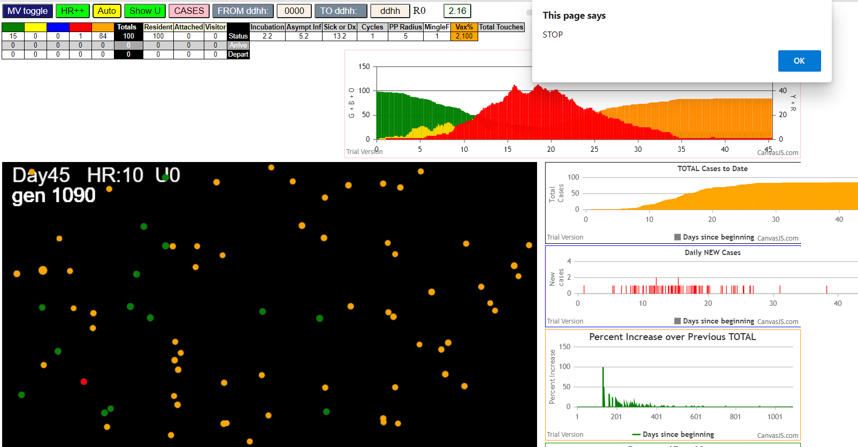

simulationRev2Vax.js:833 Mon Jan 04 2021 15:55:47 GMT-0800 (Pacific Standard Time)
simulationRev2Vax.js:834 CovidSIMVL Mode1 and Mod2 Pfizer
simulationRev2Vax.js:4304 exit covidSim
simulationRev2Vax.js:23 getAsText File {name: "HundredAgentsU0mF1.csv", lastModified: 1608077990000, lastModifiedDate: Tue Dec 15 2020 16:19:50 GMT-0800 (Pacific Standard Time), webkitRelativePath: "", size: 2140, …}
simulationRev2Vax.js:32 File {name: "HundredAgentsU0mF1.csv", lastModified: 1608077990000, lastModifiedDate: Tue Dec 15 2020 16:19:50 GMT-0800 (Pacific Standard Time), webkitRelativePath: "", size: 2140, …}
simulationRev2Vax.js:23 getAsText File {name: "VL1.csv", lastModified: 1608081530000, lastModifiedDate: Tue Dec 15 2020 17:18:50 GMT-0800 (Pacific Standard Time), webkitRelativePath: "", size: 65, …}
simulationRev2Vax.js:32 File {name: "VL1.csv", lastModified: 1608081530000, lastModifiedDate: Tue Dec 15 2020 17:18:50 GMT-0800 (Pacific Standard Time), webkitRelativePath: "", size: 65, …}
simulationRev2Vax.js:1318 Case 5,5,3,3.6,4.2,A,5
simulationRev2Vax.js:1621 Red Days changed to 9.2
simulationRev2Vax.js:1665 Mode 1,100 modified
simulationRev2Vax.js:1681 (100) [0, 1, 2, 3, 4, 5, 6, 7, 8, 9, 10, 11, 12, 13, 14, 15, 16, 17, 18, 19, 20, 21, 22, 23, 24, 25, 26, 27, 28, 29, 30, 31, 32, 33, 34, 35, 36, 37, 38, 39, 40, 41, 42, 43, 44, 45, 46, 47, 48, 49, 50, 51, 52, 53, 54, 55, 56, 57, 58, 59, 60, 61, 62, 63, 64, 65, 66, 67, 68, 69, 70, 71, 72, 73, 74, 75, 76, 77, 78, 79, 80, 81, 82, 83, 84, 85, 86, 87, 88, 89, 90, 91, 92, 93, 94, 95, 96, 97, 98, 99]
simulationRev2Vax.js:1691 (99) [0, 1, 2, 3, 4, 6, 7, 8, 9, 10, 11, 12, 13, 14, 15, 16, 17, 18, 19, 20, 21, 22, 23, 24, 25, 26, 27, 28, 29, 30, 31, 32, 33, 34, 35, 36, 37, 38, 39, 40, 41, 42, 43, 44, 45, 46, 47, 48, 49, 50, 51, 52, 53, 54, 55, 56, 57, 58, 59, 60, 61, 62, 63, 64, 65, 66, 67, 68, 69, 70, 71, 72, 73, 74, 75, 76, 77, 78, 79, 80, 81, 82, 83, 84, 85, 86, 87, 88, 89, 90, 91, 92, 93, 94, 95, 96, 97, 98, 99]
simulationRev2Vax.js:1719 Vaccination list = 99
simulationRev2Vax.js:1733 vaccinated 32,92,6,23,82,74,90,61,18,73,33,86,80,51,22,10,29,68,41,88,38,63,96,48,42,75,31,45,44,39,11,37,27,20,40,8,9,93,79,26,47,99,65,52,91,46,43,35,24,14,58,62,1,71,50,64,94,49,59,12,66,2,98,53,56,78,83,3,13,25,87,16,55,97,76,30,95,19,67,15,85,70,34,81,57,0,89,7,72,54,60,69,17,28,21,4,84,77,36
simulationRev2Vax.js:2139 1I j:famKey 72:-1 infected by red i:famKey 5:-1 at gen 19 in Univ0 prob=0.137
simulationRev2Vax.js:2139 1I j:famKey 62:-1 infected by red i:famKey 5:-1 at gen 20 in Univ0 prob=0.720
simulationRev2Vax.js:2139 3I j:famKey 81:-1 infected by red i:famKey 5:-1 at gen 39 in Univ0 prob=0.326
simulationRev2Vax.js:2139 4I j:famKey 52:-1 infected by red i:famKey 5:-1 at gen 81 in Univ0 prob=0.031
simulationRev2Vax.js:2139 5I j:famKey 67:-1 infected by blue i:famKey 62:-1 at gen 85 in Univ0 prob=0.501
simulationRev2Vax.js:2139 6I j:famKey 77:-1 infected by red i:famKey 5:-1 at gen 88 in Univ0 prob=0.243
simulationRev2Vax.js:2156 7I i:famKey 44:-1 infected by blue j:famKey 62:-1 at gen 101 in U0 prob=0.005
simulationRev2Vax.js:2139 8I j:famKey 41:-1 infected by red i:famKey 5:-1 at gen 103 in Univ0 prob=0.572
simulationRev2Vax.js:2139 8I j:famKey 98:-1 infected by blue i:famKey 62:-1 at gen 103 in Univ0 prob=0.728
simulationRev2Vax.js:2139 10I j:famKey 64:-1 infected by red i:famKey 5:-1 at gen 105 in Univ0 prob=0.708
simulationRev2Vax.js:2156 11I i:famKey 8:-1 infected by blue j:famKey 62:-1 at gen 135 in U0 prob=0.543
simulationRev2Vax.js:2156 11I i:famKey 55:-1 infected by blue j:famKey 81:-1 at gen 135 in U0 prob=0.199
simulationRev2Vax.js:2139 13I j:famKey 73:-1 infected by blue i:famKey 44:-1 at gen 165 in Univ0 prob=0.356
simulationRev2Vax.js:2139 13I j:famKey 99:-1 infected by red i:famKey 72:-1 at gen 166 in Univ0 prob=0.627
simulationRev2Vax.js:2156 15I i:famKey 11:-1 infected by blue j:famKey 64:-1 at gen 178 in U0 prob=0.980
simulationRev2Vax.js:2156 16I i:famKey 34:-1 infected by blue j:famKey 64:-1 at gen 188 in U0 prob=0.472
simulationRev2Vax.js:2156 17I i:famKey 23:-1 infected by yellow j:famKey 34:-1 at gen 191 in U0 prob=0.985
simulationRev2Vax.js:2156 18I i:famKey 2:-1 infected by blue j:famKey 64:-1 at gen 208 in U0 prob=0.693
simulationRev2Vax.js:2156 19I i:famKey 45:-1 infected by red j:famKey 72:-1 at gen 211 in U0 prob=0.322
simulationRev2Vax.js:2139 20I j:famKey 86:-1 infected by blue i:famKey 8:-1 at gen 216 in Univ0 prob=0.561
simulationRev2Vax.js:2156 21I i:famKey 35:-1 infected by red j:famKey 77:-1 at gen 218 in U0 prob=0.098
simulationRev2Vax.js:2139 22I j:famKey 92:-1 infected by red i:famKey 64:-1 at gen 232 in Univ0 prob=0.559
simulationRev2Vax.js:2156 23I i:famKey 38:-1 infected by blue j:famKey 99:-1 at gen 240 in U0 prob=0.521
simulationRev2Vax.js:2139 24I j:famKey 18:-1 infected by blue i:famKey 8:-1 at gen 244 in Univ0 prob=0.903
simulationRev2Vax.js:2139 25I j:famKey 87:-1 infected by blue i:famKey 11:-1 at gen 250 in Univ0 prob=0.466
simulationRev2Vax.js:2139 26I j:famKey 30:-1 infected by red i:famKey 8:-1 at gen 265 in Univ0 prob=0.098
simulationRev2Vax.js:2156 26I i:famKey 29:-1 infected by red j:famKey 64:-1 at gen 265 in U0 prob=0.723
simulationRev2Vax.js:2139 28I j:famKey 50:-1 infected by red i:famKey 8:-1 at gen 269 in Univ0 prob=0.866
simulationRev2Vax.js:2139 29I j:famKey 37:-1 infected by blue i:famKey 23:-1 at gen 278 in Univ0 prob=0.895
simulationRev2Vax.js:2156 30I i:famKey 61:-1 infected by blue j:famKey 86:-1 at gen 285 in U0 prob=0.449
simulationRev2Vax.js:2139 31I j:famKey 94:-1 infected by blue i:famKey 86:-1 at gen 288 in Univ0 prob=0.935
simulationRev2Vax.js:2156 32I i:famKey 7:-1 infected by red j:famKey 8:-1 at gen 290 in U0 prob=0.409
simulationRev2Vax.js:2156 32I i:famKey 13:-1 infected by red j:famKey 44:-1 at gen 290 in U0 prob=0.033
simulationRev2Vax.js:2139 34I j:famKey 25:-1 infected by blue i:famKey 2:-1 at gen 298 in Univ0 prob=0.881
simulationRev2Vax.js:2139 34I j:famKey 69:-1 infected by red i:famKey 64:-1 at gen 298 in Univ0 prob=0.822
simulationRev2Vax.js:2139 34I j:famKey 56:-1 infected by red i:famKey 8:-1 at gen 299 in Univ0 prob=0.518
simulationRev2Vax.js:2139 37I j:famKey 27:-1 infected by blue i:famKey 18:-1 at gen 317 in Univ0 prob=0.495
simulationRev2Vax.js:2139 37I j:famKey 60:-1 infected by red i:famKey 8:-1 at gen 318 in Univ0 prob=0.828
simulationRev2Vax.js:2156 39I i:famKey 21:-1 infected by blue j:famKey 92:-1 at gen 324 in U0 prob=0.332
simulationRev2Vax.js:2139 40I j:famKey 89:-1 infected by red i:famKey 45:-1 at gen 342 in Univ0 prob=0.796
simulationRev2Vax.js:2139 41I j:famKey 97:-1 infected by yellow i:famKey 25:-1 at gen 346 in Univ0 prob=0.973
simulationRev2Vax.js:2139 42I j:famKey 82:-1 infected by blue i:famKey 37:-1 at gen 368 in Univ0 prob=0.606
simulationRev2Vax.js:2139 43I j:famKey 84:-1 infected by red i:famKey 30:-1 at gen 399 in Univ0 prob=0.561
simulationRev2Vax.js:2139 43I j:famKey 84:-1 infected by red i:famKey 61:-1 at gen 399 in Univ0 prob=0.502
simulationRev2Vax.js:2156 44I i:famKey 1:-1 infected by red j:famKey 50:-1 at gen 419 in U0 prob=0.917
simulationRev2Vax.js:2156 45I i:famKey 16:-1 infected by red j:famKey 37:-1 at gen 431 in U0 prob=1.000
simulationRev2Vax.js:2139 46I j:famKey 66:-1 infected by red i:famKey 56:-1 at gen 437 in Univ0 prob=0.762
simulationRev2Vax.js:2139 47I j:famKey 51:-1 infected by red i:famKey 21:-1 at gen 444 in Univ0 prob=0.670
simulationRev2Vax.js:2139 48I j:famKey 93:-1 infected by blue i:famKey 89:-1 at gen 455 in Univ0 prob=0.806
simulationRev2Vax.js:2156 49I i:famKey 57:-1 infected by blue j:famKey 82:-1 at gen 470 in U0 prob=0.874
simulationRev2Vax.js:2156 50I i:famKey 88:-1 infected by red j:famKey 94:-1 at gen 477 in U0 prob=0.667
simulationRev2Vax.js:2139 51I j:famKey 43:-1 infected by red i:famKey 21:-1 at gen 496 in Univ0 prob=0.763
simulationRev2Vax.js:2156 52I i:famKey 15:-1 infected by yellow j:famKey 93:-1 at gen 503 in U0 prob=0.833
simulationRev2Vax.js:2139 53I j:famKey 70:-1 infected by blue i:famKey 51:-1 at gen 518 in Univ0 prob=0.640
simulationRev2Vax.js:2156 54I i:famKey 0:-1 infected by blue j:famKey 93:-1 at gen 522 in U0 prob=0.862
simulationRev2Vax.js:2156 55I i:famKey 74:-1 infected by red j:famKey 89:-1 at gen 534 in U0 prob=0.779
simulationRev2Vax.js:2156 56I i:famKey 31:-1 infected by red j:famKey 97:-1 at gen 537 in U0 prob=0.021
simulationRev2Vax.js:2139 57I j:famKey 36:-1 infected by red i:famKey 1:-1 at gen 566 in Univ0 prob=0.927
simulationRev2Vax.js:2139 58I j:famKey 83:-1 infected by red i:famKey 51:-1 at gen 581 in Univ0 prob=0.838
simulationRev2Vax.js:2139 59I j:famKey 68:-1 infected by red i:famKey 51:-1 at gen 602 in Univ0 prob=0.706
simulationRev2Vax.js:2156 60I i:famKey 46:-1 infected by red j:famKey 93:-1 at gen 604 in U0 prob=0.949
simulationRev2Vax.js:2139 61I j:famKey 85:-1 infected by blue i:famKey 36:-1 at gen 624 in Univ0 prob=0.515
simulationRev2Vax.js:2139 61I j:famKey 24:-1 infected by blue i:famKey 0:-1 at gen 625 in Univ0 prob=0.928
simulationRev2Vax.js:2139 63I j:famKey 71:-1 infected by red i:famKey 15:-1 at gen 637 in Univ0 prob=0.668
simulationRev2Vax.js:2156 64I i:famKey 28:-1 infected by blue j:famKey 31:-1 at gen 647 in U0 prob=0.417
simulationRev2Vax.js:2156 65I i:famKey 75:-1 infected by blue j:famKey 83:-1 at gen 653 in U0 prob=0.713
simulationRev2Vax.js:2139 66I j:famKey 48:-1 infected by blue i:famKey 24:-1 at gen 680 in Univ0 prob=0.995
simulationRev2Vax.js:2139 66I j:famKey 58:-1 infected by blue i:famKey 46:-1 at gen 681 in Univ0 prob=0.484
simulationRev2Vax.js:2156 68I i:famKey 9:-1 infected by blue j:famKey 28:-1 at gen 722 in U0 prob=0.619
simulationRev2Vax.js:2139 68I j:famKey 76:-1 infected by blue i:famKey 28:-1 at gen 723 in Univ0 prob=0.966
simulationRev2Vax.js:2156 70I i:famKey 80:-1 infected by blue j:famKey 85:-1 at gen 729 in U0 prob=0.404
simulationRev2Vax.js:2156 71I i:famKey 12:-1 infected by red j:famKey 31:-1 at gen 731 in U0 prob=0.795
simulationRev2Vax.js:2156 72I i:famKey 20:-1 infected by blue j:famKey 85:-1 at gen 735 in U0 prob=0.930
simulationRev2Vax.js:2156 73I i:famKey 65:-1 infected by yellow j:famKey 80:-1 at gen 738 in U0 prob=0.804
simulationRev2Vax.js:2139 74I j:famKey 49:-1 infected by red i:famKey 31:-1 at gen 757 in Univ0 prob=0.932
simulationRev2Vax.js:2139 75I j:famKey 91:-1 infected by blue i:famKey 9:-1 at gen 794 in Univ0 prob=0.242
simulationRev2Vax.js:2139 76I j:famKey 33:-1 infected by blue i:famKey 20:-1 at gen 796 in Univ0 prob=0.503
simulationRev2Vax.js:2139 77I j:famKey 32:-1 infected by red i:famKey 28:-1 at gen 808 in Univ0 prob=0.640
simulationRev2Vax.js:2156 78I i:famKey 63:-1 infected by blue j:famKey 65:-1 at gen 813 in U0 prob=1.000
simulationRev2Vax.js:2139 78I j:famKey 40:-1 infected by red i:famKey 28:-1 at gen 814 in Univ0 prob=0.709
simulationRev2Vax.js:2139 80I j:famKey 26:-1 infected by blue i:famKey 20:-1 at gen 822 in Univ0 prob=0.053
simulationRev2Vax.js:2139 81I j:famKey 39:-1 infected by red i:famKey 12:-1 at gen 897 in Univ0 prob=0.636
simulationRev2Vax.js:2139 82I j:famKey 79:-1 infected by blue i:famKey 63:-1 at gen 905 in Univ0 prob=0.283
simulationRev2Vax.js:2156 83I i:famKey 54:-1 infected by red j:famKey 65:-1 at gen 907 in U0 prob=0.105
simulationRev2Vax.js:2156 84I i:famKey 6:-1 infected by blue j:famKey 32:-1 at gen 912 in U0 prob=0.211
simulationRev2Vax.js:2156 85I i:famKey 22:-1 infected by red j:famKey 65:-1 at gen 929 in U0 prob=0.463
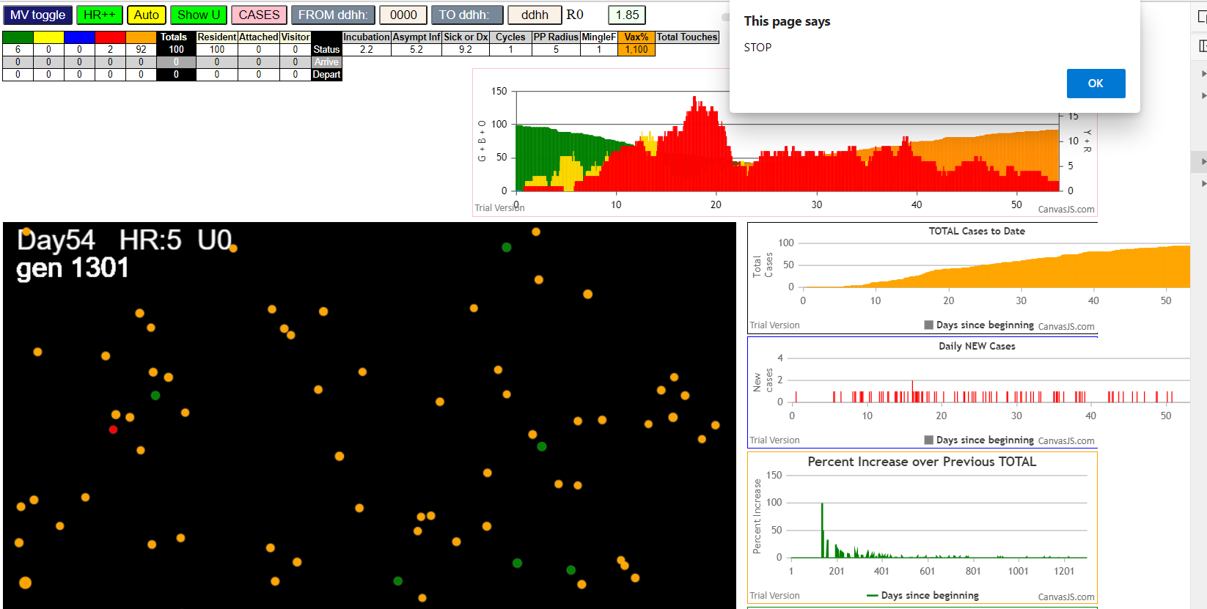
simulationRev2Vax.js:2156 86I i:famKey 10:-1 infected by red j:famKey 32:-1 at gen 942 in U0 prob=0.062
simulationRev2Vax.js:2156 87I i:famKey 4:-1 infected by red j:famKey 32:-1 at gen 980 in U0 prob=0.910
simulationRev2Vax.js:2156 88I i:famKey 14:-1 infected by blue j:famKey 79:-1 at gen 988 in U0 prob=0.601
simulationRev2Vax.js:2139 89I j:famKey 78:-1 infected by blue i:famKey 10:-1 at gen 1019 in Univ0 prob=0.305
simulationRev2Vax.js:2139 90I j:famKey 96:-1 infected by blue i:famKey 14:-1 at gen 1051 in Univ0 prob=0.567
simulationRev2Vax.js:2139 91I j:famKey 90:-1 infected by yellow i:famKey 78:-1 at gen 1059 in Univ0 prob=0.307
simulationRev2Vax.js:2139 92I j:famKey 47:-1 infected by blue i:famKey 4:-1 at gen 1090 in Univ0 prob=0.646
simulationRev2Vax.js:2156 93I i:famKey 3:-1 infected by red j:famKey 10:-1 at gen 1100 in U0 prob=0.750

simulationRev2Vax.js:833 Mon Jan 04 2021 16:04:53 GMT-0800 (Pacific Standard Time)
simulationRev2Vax.js:834 CovidSIMVL Mode1 and Mod2 Pfizer
simulationRev2Vax.js:4304 exit covidSim
simulationRev2Vax.js:23 getAsText File {name: "HundredAgentsU0mF1.csv", lastModified: 1608077990000, lastModifiedDate: Tue Dec 15 2020 16:19:50 GMT-0800 (Pacific Standard Time), webkitRelativePath: "", size: 2140, …}
simulationRev2Vax.js:32 File {name: "HundredAgentsU0mF1.csv", lastModified: 1608077990000, lastModifiedDate: Tue Dec 15 2020 16:19:50 GMT-0800 (Pacific Standard Time), webkitRelativePath: "", size: 2140, …}
simulationRev2Vax.js:23 getAsText File {name: "VL1.csv", lastModified: 1608081530000, lastModifiedDate: Tue Dec 15 2020 17:18:50 GMT-0800 (Pacific Standard Time), webkitRelativePath: "", size: 65, …}
simulationRev2Vax.js:32 File {name: "VL1.csv", lastModified: 1608081530000, lastModifiedDate: Tue Dec 15 2020 17:18:50 GMT-0800 (Pacific Standard Time), webkitRelativePath: "", size: 65, …}
simulationRev2Vax.js:1318 Case 5,5,3,3.6,4.2,A,5
simulationRev2Vax.js:1621 Red Days changed to 9.2
simulationRev2Vax.js:1665 Mode 2,100 modified
simulationRev2Vax.js:1681 (100) [0, 1, 2, 3, 4, 5, 6, 7, 8, 9, 10, 11, 12, 13, 14, 15, 16, 17, 18, 19, 20, 21, 22, 23, 24, 25, 26, 27, 28, 29, 30, 31, 32, 33, 34, 35, 36, 37, 38, 39, 40, 41, 42, 43, 44, 45, 46, 47, 48, 49, 50, 51, 52, 53, 54, 55, 56, 57, 58, 59, 60, 61, 62, 63, 64, 65, 66, 67, 68, 69, 70, 71, 72, 73, 74, 75, 76, 77, 78, 79, 80, 81, 82, 83, 84, 85, 86, 87, 88, 89, 90, 91, 92, 93, 94, 95, 96, 97, 98, 99]
simulationRev2Vax.js:1691 (99) [0, 1, 2, 3, 4, 6, 7, 8, 9, 10, 11, 12, 13, 14, 15, 16, 17, 18, 19, 20, 21, 22, 23, 24, 25, 26, 27, 28, 29, 30, 31, 32, 33, 34, 35, 36, 37, 38, 39, 40, 41, 42, 43, 44, 45, 46, 47, 48, 49, 50, 51, 52, 53, 54, 55, 56, 57, 58, 59, 60, 61, 62, 63, 64, 65, 66, 67, 68, 69, 70, 71, 72, 73, 74, 75, 76, 77, 78, 79, 80, 81, 82, 83, 84, 85, 86, 87, 88, 89, 90, 91, 92, 93, 94, 95, 96, 97, 98, 99]
simulationRev2Vax.js:1719 Vaccination list = 99
simulationRev2Vax.js:1733 vaccinated 33,14,42,43,26,28,50,88,78,3,12,16,98,21,59,79,87,1,6,92,60,83,64,41,31,29,57,86,40,95,25,67,24,48,72,4,36,17,75,27,96,56,85,55,11,66,34,10,58,94,89,70,32,38,13,9,77,37,7,76,23,49,84,73,80,97,39,62,47,44,65,99,63,54,74,46,30,82,81,0,61,20,69,18,93,52,19,22,8,71,90,68,51,2,53,15,91,45,35
simulationRev2Vax.js:2139 1I j:famKey 8:-1 infected by red i:famKey 5:-1 at gen 14 in Univ0 prob=0.466
simulationRev2Vax.js:2139 2I j:famKey 34:-1 infected by red i:famKey 5:-1 at gen 28 in Univ0 prob=0.852
simulationRev2Vax.js:2139 3I j:famKey 20:-1 infected by red i:famKey 5:-1 at gen 77 in Univ0 prob=0.703
simulationRev2Vax.js:2139 4I j:famKey 59:-1 infected by blue i:famKey 8:-1 at gen 88 in Univ0 prob=0.581
simulationRev2Vax.js:2139 5I j:famKey 81:-1 infected by blue i:famKey 34:-1 at gen 122 in Univ0 prob=0.215
simulationRev2Vax.js:2139 6I j:famKey 41:-1 infected by red i:famKey 8:-1 at gen 145 in Univ0 prob=0.859
simulationRev2Vax.js:2156 6I i:famKey 19:-1 infected by blue j:famKey 20:-1 at gen 145 in U0 prob=0.949
simulationRev2Vax.js:2156 8I i:famKey 23:-1 infected by blue j:famKey 59:-1 at gen 162 in U0 prob=0.452
simulationRev2Vax.js:2139 9I j:famKey 38:-1 infected by red i:famKey 8:-1 at gen 172 in Univ0 prob=0.414
simulationRev2Vax.js:2139 10I j:famKey 51:-1 infected by red i:famKey 8:-1 at gen 179 in Univ0 prob=0.162
simulationRev2Vax.js:2139 11I j:famKey 76:-1 infected by red i:famKey 8:-1 at gen 200 in Univ0 prob=0.656
simulationRev2Vax.js:2156 11I i:famKey 22:-1 infected by red j:famKey 34:-1 at gen 200 in U0 prob=0.412
simulationRev2Vax.js:2156 13I i:famKey 6:-1 infected by blue j:famKey 41:-1 at gen 214 in U0 prob=0.172
simulationRev2Vax.js:2139 13I j:famKey 93:-1 infected by blue i:famKey 41:-1 at gen 214 in Univ0 prob=0.080
simulationRev2Vax.js:2139 15I j:famKey 17:-1 infected by red i:famKey 8:-1 at gen 224 in Univ0 prob=0.708
simulationRev2Vax.js:2139 15I j:famKey 79:-1 infected by blue i:famKey 19:-1 at gen 225 in Univ0 prob=0.833
simulationRev2Vax.js:2139 17I j:famKey 52:-1 infected by blue i:famKey 41:-1 at gen 241 in Univ0 prob=0.977
simulationRev2Vax.js:2139 18I j:famKey 72:-1 infected by blue i:famKey 41:-1 at gen 256 in Univ0 prob=0.710
simulationRev2Vax.js:2139 19I j:famKey 87:-1 infected by red i:famKey 19:-1 at gen 269 in Univ0 prob=0.178
simulationRev2Vax.js:2139 20I j:famKey 70:-1 infected by blue i:famKey 51:-1 at gen 271 in Univ0 prob=0.489
simulationRev2Vax.js:2139 21I j:famKey 99:-1 infected by yellow i:famKey 17:-1 at gen 273 in Univ0 prob=0.590
simulationRev2Vax.js:2139 22I j:famKey 24:-1 infected by blue i:famKey 17:-1 at gen 279 in Univ0 prob=0.242
simulationRev2Vax.js:2139 23I j:famKey 55:-1 infected by blue i:famKey 6:-1 at gen 289 in Univ0 prob=0.766
simulationRev2Vax.js:2156 24I i:famKey 48:-1 infected by blue j:famKey 93:-1 at gen 297 in U0 prob=0.329
simulationRev2Vax.js:2156 24I i:famKey 64:-1 infected by blue j:famKey 93:-1 at gen 297 in U0 prob=0.834
simulationRev2Vax.js:2156 26I i:famKey 18:-1 infected by blue j:famKey 79:-1 at gen 299 in U0 prob=0.891
simulationRev2Vax.js:2139 27I j:famKey 97:-1 infected by red i:famKey 23:-1 at gen 308 in Univ0 prob=0.567
simulationRev2Vax.js:2139 28I j:famKey 91:-1 infected by red i:famKey 81:-1 at gen 316 in Univ0 prob=0.542
simulationRev2Vax.js:2139 29I j:famKey 98:-1 infected by yellow i:famKey 70:-1 at gen 321 in Univ0 prob=0.110
simulationRev2Vax.js:2139 29I j:famKey 88:-1 infected by blue i:famKey 17:-1 at gen 322 in Univ0 prob=0.422
simulationRev2Vax.js:2139 30I j:famKey 58:-1 infected by red i:famKey 41:-1 at gen 323 in Univ0 prob=0.717
simulationRev2Vax.js:2139 32I j:famKey 63:-1 infected by red i:famKey 19:-1 at gen 328 in Univ0 prob=0.404
simulationRev2Vax.js:2139 33I j:famKey 30:-1 infected by blue i:famKey 6:-1 at gen 330 in Univ0 prob=0.826
simulationRev2Vax.js:2156 33I i:famKey 13:-1 infected by blue j:famKey 52:-1 at gen 330 in U0 prob=0.487
simulationRev2Vax.js:2139 33I j:famKey 80:-1 infected by blue i:famKey 79:-1 at gen 330 in Univ0 prob=0.887
simulationRev2Vax.js:2156 36I i:famKey 2:-1 infected by red j:famKey 19:-1 at gen 334 in U0 prob=0.602
simulationRev2Vax.js:2156 36I i:famKey 3:-1 infected by red j:famKey 19:-1 at gen 335 in U0 prob=0.932
simulationRev2Vax.js:2156 38I i:famKey 57:-1 infected by red j:famKey 76:-1 at gen 337 in U0 prob=0.860
simulationRev2Vax.js:2139 39I j:famKey 82:-1 infected by red i:famKey 41:-1 at gen 341 in Univ0 prob=0.833
simulationRev2Vax.js:2139 40I j:famKey 39:-1 infected by red i:famKey 19:-1 at gen 351 in Univ0 prob=0.818
simulationRev2Vax.js:2139 41I j:famKey 35:-1 infected by red i:famKey 19:-1 at gen 355 in Univ0 prob=0.827
simulationRev2Vax.js:2156 42I i:famKey 9:-1 infected by blue j:famKey 18:-1 at gen 378 in U0 prob=0.718
simulationRev2Vax.js:2139 42I j:famKey 84:-1 infected by blue i:famKey 24:-1 at gen 379 in Univ0 prob=0.971
simulationRev2Vax.js:2139 43I j:famKey 26:-1 infected by red i:famKey 17:-1 at gen 380 in Univ0 prob=0.803
simulationRev2Vax.js:2156 43I i:famKey 26:-1 infected by blue j:famKey 48:-1 at gen 380 in U0 prob=0.822
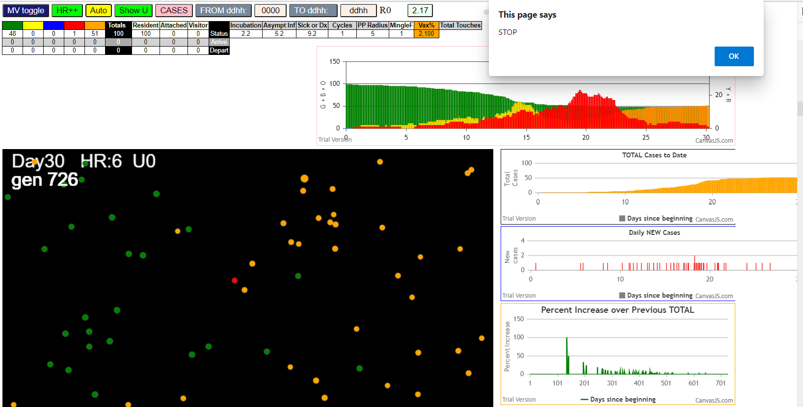
simulationRev2Vax.js:2139 45I j:famKey 90:-1 infected by blue i:famKey 63:-1 at gen 384 in Univ0 prob=0.603
simulationRev2Vax.js:2139 46I j:famKey 67:-1 infected by blue i:famKey 63:-1 at gen 400 in Univ0 prob=0.870
simulationRev2Vax.js:2156 47I i:famKey 32:-1 infected by red j:famKey 70:-1 at gen 405 in U0 prob=0.988
simulationRev2Vax.js:2156 48I i:famKey 4:-1 infected by blue j:famKey 26:-1 at gen 458 in U0 prob=0.649
simulationRev2Vax.js:2156 49I i:famKey 1:-1 infected by red j:famKey 30:-1 at gen 486 in U0 prob=0.569
simulationRev2Vax.js:2139 50I j:famKey 89:-1 infected by red i:famKey 63:-1 at gen 499 in Univ0 prob=0.814 | 528
simulationRev2Vax.js:2139 51I j:famKey 40:-1 infected by red i:famKey 30:-1 at gen 522 in Univ0 prob=0.993

simulationRev2Vax.js:833 Mon Jan 04 2021 16:08:52 GMT-0800 (Pacific Standard Time)
simulationRev2Vax.js:834 CovidSIMVL Mode1 and Mod2 Pfizer
simulationRev2Vax.js:4304 exit covidSim
simulationRev2Vax.js:23 getAsText File {name: "HundredAgentsU0mF1.csv", lastModified: 1608077990000, lastModifiedDate: Tue Dec 15 2020 16:19:50 GMT-0800 (Pacific Standard Time), webkitRelativePath: "", size: 2140, …}
simulationRev2Vax.js:32 File {name: "HundredAgentsU0mF1.csv", lastModified: 1608077990000, lastModifiedDate: Tue Dec 15 2020 16:19:50 GMT-0800 (Pacific Standard Time), webkitRelativePath: "", size: 2140, …}
simulationRev2Vax.js:23 getAsText File {name: "VL1.csv", lastModified: 1608081530000, lastModifiedDate: Tue Dec 15 2020 17:18:50 GMT-0800 (Pacific Standard Time), webkitRelativePath: "", size: 65, …}
simulationRev2Vax.js:32 File {name: "VL1.csv", lastModified: 1608081530000, lastModifiedDate: Tue Dec 15 2020 17:18:50 GMT-0800 (Pacific Standard Time), webkitRelativePath: "", size: 65, …}
simulationRev2Vax.js:1318 Case 5,5,3,3.6,4.2,A,5
simulationRev2Vax.js:1643 New Hazard Radius = 4
simulationRev2Vax.js:1665 Mode 1,100 modified
simulationRev2Vax.js:1681 (100) [0, 1, 2, 3, 4, 5, 6, 7, 8, 9, 10, 11, 12, 13, 14, 15, 16, 17, 18, 19, 20, 21, 22, 23, 24, 25, 26, 27, 28, 29, 30, 31, 32, 33, 34, 35, 36, 37, 38, 39, 40, 41, 42, 43, 44, 45, 46, 47, 48, 49, 50, 51, 52, 53, 54, 55, 56, 57, 58, 59, 60, 61, 62, 63, 64, 65, 66, 67, 68, 69, 70, 71, 72, 73, 74, 75, 76, 77, 78, 79, 80, 81, 82, 83, 84, 85, 86, 87, 88, 89, 90, 91, 92, 93, 94, 95, 96, 97, 98, 99]
simulationRev2Vax.js:1691 (99) [0, 1, 2, 3, 4, 6, 7, 8, 9, 10, 11, 12, 13, 14, 15, 16, 17, 18, 19, 20, 21, 22, 23, 24, 25, 26, 27, 28, 29, 30, 31, 32, 33, 34, 35, 36, 37, 38, 39, 40, 41, 42, 43, 44, 45, 46, 47, 48, 49, 50, 51, 52, 53, 54, 55, 56, 57, 58, 59, 60, 61, 62, 63, 64, 65, 66, 67, 68, 69, 70, 71, 72, 73, 74, 75, 76, 77, 78, 79, 80, 81, 82, 83, 84, 85, 86, 87, 88, 89, 90, 91, 92, 93, 94, 95, 96, 97, 98, 99]
simulationRev2Vax.js:1719 Vaccination list = 99
simulationRev2Vax.js:1733 vaccinated 80,55,33,36,53,95,54,12,31,50,35,66,64,45,28,47,0,87,27,38,23,37,70,11,14,76,81,2,90,93,10,20,49,67,89,8,94,3,46,48,17,68,52,86,82,84,22,9,18,97,65,78,44,62,88,4,43,72,77,57,85,40,32,71,51,63,34,99,15,79,26,16,13,96,92,29,83,24,69,60,56,58,39,75,73,98,59,74,30,21,7,6,19,61,25,42,91,1,41
simulationRev2Vax.js:1643 New Hazard Radius = 4.5
simulationRev2Vax.js:2139 1I j:famKey 23:-1 infected by red i:famKey 5:-1 at gen 129 in Univ0 prob=0.728
simulationRev2Vax.js:2139 2I j:famKey 63:-1 infected by red i:famKey 5:-1 at gen 139 in Univ0 prob=0.709
simulationRev2Vax.js:2139 3I j:famKey 77:-1 infected by red i:famKey 5:-1 at gen 152 in Univ0 prob=0.558
simulationRev2Vax.js:2156 4I i:famKey 66:-1 infected by yellow j:famKey 77:-1 at gen 201 in U0 prob=0.339
simulationRev2Vax.js:2156 5I i:famKey 46:-1 infected by blue j:famKey 77:-1 at gen 220 in U0 prob=0.787
simulationRev2Vax.js:2139 6I j:famKey 93:-1 infected by blue i:famKey 23:-1 at gen 228 in Univ0 prob=0.158
simulationRev2Vax.js:2156 7I i:famKey 65:-1 infected by blue j:famKey 77:-1 at gen 230 in U0 prob=0.112
simulationRev2Vax.js:2139 8I j:famKey 39:-1 infected by blue i:famKey 23:-1 at gen 237 in Univ0 prob=0.927
simulationRev2Vax.js:2156 9I i:famKey 17:-1 infected by blue j:famKey 23:-1 at gen 239 in U0 prob=0.980
simulationRev2Vax.js:2156 10I i:famKey 31:-1 infected by blue j:famKey 77:-1 at gen 244 in U0 prob=0.176
simulationRev2Vax.js:2139 11I j:famKey 36:-1 infected by blue i:famKey 23:-1 at gen 248 in Univ0 prob=0.473
simulationRev2Vax.js:2156 12I i:famKey 20:-1 infected by blue j:famKey 63:-1 at gen 251 in U0 prob=0.467
simulationRev2Vax.js:2139 13I j:famKey 76:-1 infected by yellow i:famKey 20:-1 at gen 259 in Univ0 prob=0.885
simulationRev2Vax.js:2139 13I j:famKey 76:-1 infected by red i:famKey 23:-1 at gen 259 in Univ0 prob=0.955
simulationRev2Vax.js:2156 13I i:famKey 21:-1 infected by blue j:famKey 77:-1 at gen 260 in U0 prob=0.603
simulationRev2Vax.js:2156 15I i:famKey 53:-1 infected by red j:famKey 63:-1 at gen 264 in U0 prob=0.189
simulationRev2Vax.js:2139 16I j:famKey 40:-1 infected by yellow i:famKey 36:-1 at gen 283 in Univ0 prob=0.653
simulationRev2Vax.js:2139 16I j:famKey 73:-1 infected by blue i:famKey 46:-1 at gen 284 in Univ0 prob=0.786
simulationRev2Vax.js:2139 18I j:famKey 32:-1 infected by blue i:famKey 17:-1 at gen 304 in Univ0 prob=0.624
simulationRev2Vax.js:2139 18I j:famKey 32:-1 infected by red i:famKey 23:-1 at gen 304 in Univ0 prob=0.386
simulationRev2Vax.js:2139 19I j:famKey 95:-1 infected by red i:famKey 63:-1 at gen 308 in Univ0 prob=0.674
simulationRev2Vax.js:2139 20I j:famKey 71:-1 infected by red i:famKey 63:-1 at gen 311 in Univ0 prob=0.812
simulationRev2Vax.js:2139 21I j:famKey 90:-1 infected by blue i:famKey 17:-1 at gen 314 in Univ0 prob=0.622
simulationRev2Vax.js:2156 21I i:famKey 15:-1 infected by blue j:famKey 46:-1 at gen 315 in U0 prob=0.998
simulationRev2Vax.js:2139 23I j:famKey 59:-1 infected by blue i:famKey 20:-1 at gen 323 in Univ0 prob=0.839
simulationRev2Vax.js:2156 23I i:famKey 1:-1 infected by blue j:famKey 46:-1 at gen 324 in U0 prob=0.669
simulationRev2Vax.js:2156 24I i:famKey 19:-1 infected by blue j:famKey 21:-1 at gen 325 in U0 prob=0.692
simulationRev2Vax.js:2139 24I j:famKey 79:-1 infected by blue i:famKey 31:-1 at gen 325 in Univ0 prob=0.640
simulationRev2Vax.js:2156 27I i:famKey 84:-1 infected by blue j:famKey 93:-1 at gen 327 in U0 prob=0.631
simulationRev2Vax.js:2156 28I i:famKey 16:-1 infected by blue j:famKey 76:-1 at gen 333 in U0 prob=0.944
simulationRev2Vax.js:2156 29I i:famKey 26:-1 infected by blue j:famKey 93:-1 at gen 343 in U0 prob=0.595
simulationRev2Vax.js:2156 30I i:famKey 38:-1 infected by red j:famKey 66:-1 at gen 349 in U0 prob=0.747
simulationRev2Vax.js:2156 30I i:famKey 38:-1 infected by red j:famKey 77:-1 at gen 349 in U0 prob=0.955
simulationRev2Vax.js:2139 31I j:famKey 92:-1 infected by blue i:famKey 40:-1 at gen 360 in Univ0 prob=0.547
simulationRev2Vax.js:2156 32I i:famKey 33:-1 infected by red j:famKey 46:-1 at gen 383 in U0 prob=0.963
simulationRev2Vax.js:2139 32I j:famKey 99:-1 infected by red i:famKey 46:-1 at gen 383 in Univ0 prob=0.940
simulationRev2Vax.js:2156 34I i:famKey 14:-1 infected by blue j:famKey 90:-1 at gen 386 in U0 prob=0.543
simulationRev2Vax.js:2156 35I i:famKey 81:-1 infected by blue j:famKey 84:-1 at gen 389 in U0 prob=0.783
simulationRev2Vax.js:2156 36I i:famKey 4:-1 infected by red j:famKey 53:-1 at gen 398 in U0 prob=0.737
simulationRev2Vax.js:2156 37I i:famKey 0:-1 infected by red j:famKey 93:-1 at gen 402 in U0 prob=0.898
simulationRev2Vax.js:2139 38I j:famKey 69:-1 infected by blue i:famKey 15:-1 at gen 410 in Univ0 prob=0.746
simulationRev2Vax.js:2156 39I i:famKey 34:-1 infected by blue j:famKey 59:-1 at gen 424 in U0 prob=0.846
simulationRev2Vax.js:2139 40I j:famKey 85:-1 infected by red i:famKey 76:-1 at gen 432 in Univ0 prob=0.690
simulationRev2Vax.js:2139 41I j:famKey 91:-1 infected by blue i:famKey 84:-1 at gen 438 in Univ0 prob=0.956
simulationRev2Vax.js:2139 42I j:famKey 70:-1 infected by red i:famKey 53:-1 at gen 442 in Univ0 prob=0.793
simulationRev2Vax.js:2156 43I i:famKey 9:-1 infected by red j:famKey 19:-1 at gen 455 in U0 prob=0.561
simulationRev2Vax.js:2156 44I i:famKey 61:-1 infected by red j:famKey 84:-1 at gen 468 in U0 prob=0.869
simulationRev2Vax.js:2139 44I j:famKey 37:-1 infected by red i:famKey 31:-1 at gen 469 in Univ0 prob=0.775
simulationRev2Vax.js:2156 46I i:famKey 45:-1 infected by red j:famKey 93:-1 at gen 471 in U0 prob=0.971
simulationRev2Vax.js:2139 47I j:famKey 80:-1 infected by red i:famKey 19:-1 at gen 473 in Univ0 prob=0.805
simulationRev2Vax.js:2139 48I j:famKey 50:-1 infected by blue i:famKey 0:-1 at gen 475 in Univ0 prob=0.857
simulationRev2Vax.js:2139 49I j:famKey 62:-1 infected by blue i:famKey 0:-1 at gen 480 in Univ0 prob=0.854
simulationRev2Vax.js:2139 49I j:famKey 98:-1 infected by red i:famKey 31:-1 at gen 481 in Univ0 prob=0.691
simulationRev2Vax.js:2139 51I j:famKey 74:-1 infected by red i:famKey 15:-1 at gen 490 in Univ0 prob=0.642
simulationRev2Vax.js:2156 52I i:famKey 25:-1 infected by red j:famKey 90:-1 at gen 492 in U0 prob=0.921
simulationRev2Vax.js:2156 53I i:famKey 43:-1 infected by red j:famKey 99:-1 at gen 502 in U0 prob=0.897
simulationRev2Vax.js:2156 54I i:famKey 24:-1 infected by blue j:famKey 34:-1 at gen 505 in U0 prob=0.810
simulationRev2Vax.js:2139 55I j:famKey 96:-1 infected by red i:famKey 93:-1 at gen 509 in Univ0 prob=0.575
simulationRev2Vax.js:2139 56I j:famKey 52:-1 infected by blue i:famKey 34:-1 at gen 518 in Univ0 prob=0.968
simulationRev2Vax.js:2139 57I j:famKey 68:-1 infected by red i:famKey 17:-1 at gen 520 in Univ0 prob=0.784
simulationRev2Vax.js:2139 58I j:famKey 89:-1 infected by blue i:famKey 80:-1 at gen 522 in Univ0 prob=0.915
simulationRev2Vax.js:2139 59I j:famKey 78:-1 infected by blue i:famKey 37:-1 at gen 542 in Univ0 prob=0.937
simulationRev2Vax.js:2139 60I j:famKey 82:-1 infected by red i:famKey 26:-1 at gen 546 in Univ0 prob=0.952
simulationRev2Vax.js:2139 60I j:famKey 51:-1 infected by red i:famKey 32:-1 at gen 546 in Univ0 prob=0.350
simulationRev2Vax.js:2156 62I i:famKey 60:-1 infected by blue j:famKey 98:-1 at gen 550 in U0 prob=0.314
simulationRev2Vax.js:2139 63I j:famKey 35:-1 infected by red i:famKey 33:-1 at gen 552 in Univ0 prob=0.892
simulationRev2Vax.js:2139 63I j:famKey 94:-1 infected by blue i:famKey 61:-1 at gen 552 in Univ0 prob=0.087
simulationRev2Vax.js:2156 65I i:famKey 6:-1 infected by red j:famKey 38:-1 at gen 558 in U0 prob=0.596
simulationRev2Vax.js:2156 65I i:famKey 44:-1 infected by red j:famKey 84:-1 at gen 558 in U0 prob=0.915
simulationRev2Vax.js:2156 67I i:famKey 29:-1 infected by blue j:famKey 62:-1 at gen 561 in U0 prob=0.121
simulationRev2Vax.js:2139 68I j:famKey 10:-1 infected by red i:famKey 4:-1 at gen 565 in Univ0 prob=0.054
simulationRev2Vax.js:2156 69I i:famKey 3:-1 infected by red j:famKey 40:-1 at gen 569 in U0 prob=0.021
simulationRev2Vax.js:2156 70I i:famKey 57:-1 infected by blue j:famKey 74:-1 at gen 571 in U0 prob=0.820
simulationRev2Vax.js:2156 71I i:famKey 11:-1 infected by red j:famKey 33:-1 at gen 577 in U0 prob=0.656
simulationRev2Vax.js:2139 71I j:famKey 83:-1 infected by blue i:famKey 50:-1 at gen 578 in Univ0 prob=0.092
simulationRev2Vax.js:2139 73I j:famKey 54:-1 infected by blue i:famKey 43:-1 at gen 591 in Univ0 prob=0.160
simulationRev2Vax.js:2139 74I j:famKey 88:-1 infected by red i:famKey 71:-1 at gen 597 in Univ0 prob=0.716
simulationRev2Vax.js:2139 74I j:famKey 87:-1 infected by yellow i:famKey 29:-1 at gen 598 in Univ0 prob=0.939
simulationRev2Vax.js:2156 76I i:famKey 27:-1 infected by red j:famKey 33:-1 at gen 625 in U0 prob=0.574
simulationRev2Vax.js:2156 76I i:famKey 42:-1 infected by red j:famKey 50:-1 at gen 625 in U0 prob=0.089
simulationRev2Vax.js:2156 78I i:famKey 18:-1 infected by blue j:famKey 51:-1 at gen 628 in U0 prob=0.048
simulationRev2Vax.js:2156 79I i:famKey 56:-1 infected by blue j:famKey 57:-1 at gen 635 in U0 prob=0.661
simulationRev2Vax.js:2139 80I j:famKey 41:-1 infected by blue i:famKey 29:-1 at gen 642 in Univ0 prob=0.643
simulationRev2Vax.js:2139 81I j:famKey 67:-1 infected by blue i:famKey 10:-1 at gen 648 in Univ0 prob=0.307
simulationRev2Vax.js:2156 82I i:famKey 8:-1 infected by red j:famKey 91:-1 at gen 650 in U0 prob=0.863
simulationRev2Vax.js:2139 83I j:famKey 97:-1 infected by blue i:famKey 60:-1 at gen 655 in Univ0 prob=0.612
simulationRev2Vax.js:2156 84I i:famKey 28:-1 infected by blue j:famKey 87:-1 at gen 658 in U0 prob=0.199
simulationRev2Vax.js:2156 85I i:famKey 55:-1 infected by red j:famKey 61:-1 at gen 662 in U0 prob=0.382
simulationRev2Vax.js:2156 85I i:famKey 2:-1 infected by blue j:famKey 6:-1 at gen 663 in U0 prob=0.103
simulationRev2Vax.js:2156 87I i:famKey 58:-1 infected by blue j:famKey 83:-1 at gen 669 in U0 prob=0.354
simulationRev2Vax.js:2156 88I i:famKey 30:-1 infected by blue j:famKey 67:-1 at gen 700 in U0 prob=0.113
simulationRev2Vax.js:2139 89I j:famKey 48:-1 infected by red i:famKey 45:-1 at gen 703 in Univ0 prob=0.010
simulationRev2Vax.js:2156 90I i:famKey 12:-1 infected by blue j:famKey 41:-1 at gen 707 in U0 prob=0.488
simulationRev2Vax.js:2139 90I j:famKey 64:-1 infected by red i:famKey 52:-1 at gen 707 in Univ0 prob=0.833
simulationRev2Vax.js:2156 92I i:famKey 47:-1 infected by blue j:famKey 67:-1 at gen 735 in U0 prob=0.403
simulationRev2Vax.js:2139 93I j:famKey 75:-1 infected by red i:famKey 11:-1 at gen 801 in Univ0 prob=0.178
simulationRev2Vax.js:2156 94I i:famKey 7:-1 infected by red j:famKey 30:-1 at gen 834 in U0 prob=0.420
simulationRev2Vax.js:2139 95I j:famKey 72:-1 infected by red i:famKey 56:-1 at gen 863 in Univ0 prob=0.937
simulationRev2Vax.js:2139 96I j:famKey 86:-1 infected by red i:famKey 56:-1 at gen 880 in Univ0 prob=0.964

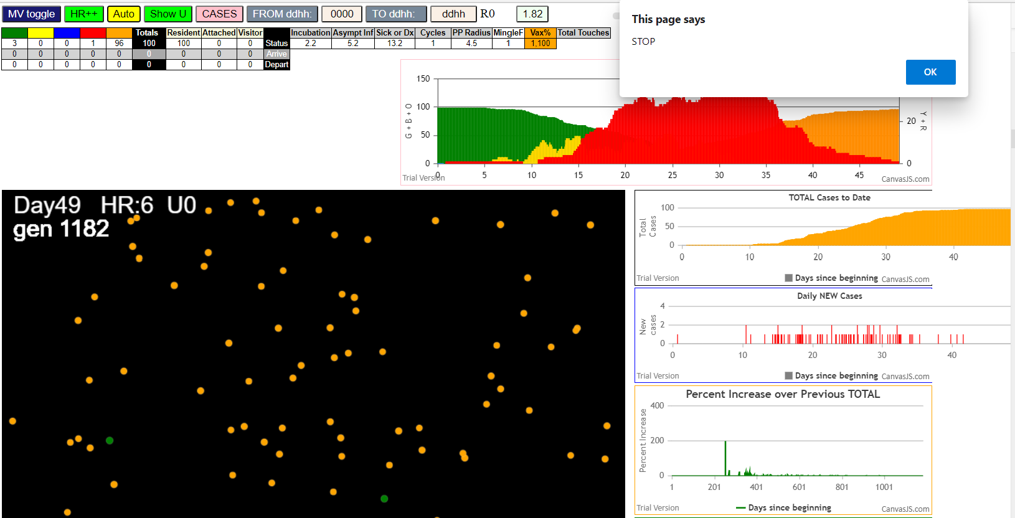

simulationRev2Vax.js:833 Mon Jan 04 2021 16:14:24 GMT-0800 (Pacific Standard Time)
simulationRev2Vax.js:834 CovidSIMVL Mode1 and Mod2 Pfizer
simulationRev2Vax.js:4304 exit covidSim
simulationRev2Vax.js:23 getAsText File {name: "HundredAgentsU0mF1.csv", lastModified: 1608077990000, lastModifiedDate: Tue Dec 15 2020 16:19:50 GMT-0800 (Pacific Standard Time), webkitRelativePath: "", size: 2140, …}
simulationRev2Vax.js:32 File {name: "HundredAgentsU0mF1.csv", lastModified: 1608077990000, lastModifiedDate: Tue Dec 15 2020 16:19:50 GMT-0800 (Pacific Standard Time), webkitRelativePath: "", size: 2140, …}
simulationRev2Vax.js:23 getAsText File {name: "VL1.csv", lastModified: 1608081530000, lastModifiedDate: Tue Dec 15 2020 17:18:50 GMT-0800 (Pacific Standard Time), webkitRelativePath: "", size: 65, …}
simulationRev2Vax.js:32 File {name: "VL1.csv", lastModified: 1608081530000, lastModifiedDate: Tue Dec 15 2020 17:18:50 GMT-0800 (Pacific Standard Time), webkitRelativePath: "", size: 65, …}
simulationRev2Vax.js:1318 Case 5,5,3,3.6,4.2,A,5
simulationRev2Vax.js:1643 New Hazard Radius = 4.5
simulationRev2Vax.js:1665 Mode 2,100 modified
simulationRev2Vax.js:1681 (100) [0, 1, 2, 3, 4, 5, 6, 7, 8, 9, 10, 11, 12, 13, 14, 15, 16, 17, 18, 19, 20, 21, 22, 23, 24, 25, 26, 27, 28, 29, 30, 31, 32, 33, 34, 35, 36, 37, 38, 39, 40, 41, 42, 43, 44, 45, 46, 47, 48, 49, 50, 51, 52, 53, 54, 55, 56, 57, 58, 59, 60, 61, 62, 63, 64, 65, 66, 67, 68, 69, 70, 71, 72, 73, 74, 75, 76, 77, 78, 79, 80, 81, 82, 83, 84, 85, 86, 87, 88, 89, 90, 91, 92, 93, 94, 95, 96, 97, 98, 99]
simulationRev2Vax.js:1691 (99) [0, 1, 2, 3, 4, 6, 7, 8, 9, 10, 11, 12, 13, 14, 15, 16, 17, 18, 19, 20, 21, 22, 23, 24, 25, 26, 27, 28, 29, 30, 31, 32, 33, 34, 35, 36, 37, 38, 39, 40, 41, 42, 43, 44, 45, 46, 47, 48, 49, 50, 51, 52, 53, 54, 55, 56, 57, 58, 59, 60, 61, 62, 63, 64, 65, 66, 67, 68, 69, 70, 71, 72, 73, 74, 75, 76, 77, 78, 79, 80, 81, 82, 83, 84, 85, 86, 87, 88, 89, 90, 91, 92, 93, 94, 95, 96, 97, 98, 99]
simulationRev2Vax.js:1719 Vaccination list = 99
simulationRev2Vax.js:1733 vaccinated 92,89,14,50,93,58,10,54,2,71,81,82,36,48,96,31,4,78,68,67,11,85,38,41,44,73,53,9,17,18,45,22,33,21,42,84,79,27,25,37,0,80,6,99,40,66,87,95,16,75,55,43,97,3,12,39,47,74,98,59,56,69,86,57,61,30,72,1,46,19,64,51,70,62,13,76,83,24,20,90,29,34,8,35,32,63,60,91,52,49,15,77,94,28,88,26,7,23,65
simulationRev2Vax.js:2139 1I j:famKey 22:-1 infected by blue i:famKey 5:-1 at gen 13 in Univ0 prob=0.718
simulationRev2Vax.js:2139 2I j:famKey 73:-1 infected by red i:famKey 5:-1 at gen 46 in Univ0 prob=0.663
simulationRev2Vax.js:2139 3I j:famKey 67:-1 infected by blue i:famKey 22:-1 at gen 106 in Univ0 prob=0.675
simulationRev2Vax.js:2139 4I j:famKey 24:-1 infected by red i:famKey 22:-1 at gen 157 in Univ0 prob=0.222
simulationRev2Vax.js:2156 5I i:famKey 63:-1 infected by red j:famKey 73:-1 at gen 180 in U0 prob=0.205
simulationRev2Vax.js:2156 6I i:famKey 57:-1 infected by red j:famKey 73:-1 at gen 198 in U0 prob=0.989
simulationRev2Vax.js:2156 7I i:famKey 21:-1 infected by blue j:famKey 67:-1 at gen 202 in U0 prob=0.258
simulationRev2Vax.js:2139 7I j:famKey 85:-1 infected by blue i:famKey 67:-1 at gen 203 in Univ0 prob=0.849
simulationRev2Vax.js:2156 9I i:famKey 15:-1 infected by red j:famKey 22:-1 at gen 238 in U0 prob=0.497
simulationRev2Vax.js:2156 10I i:famKey 25:-1 infected by red j:famKey 73:-1 at gen 250 in U0 prob=0.017
simulationRev2Vax.js:2139 10I j:famKey 98:-1 infected by red i:famKey 67:-1 at gen 251 in Univ0 prob=0.789
simulationRev2Vax.js:2156 12I i:famKey 29:-1 infected by blue j:famKey 63:-1 at gen 255 in U0 prob=0.795
simulationRev2Vax.js:2156 13I i:famKey 20:-1 infected by blue j:famKey 63:-1 at gen 263 in U0 prob=0.526
simulationRev2Vax.js:2139 13I j:famKey 80:-1 infected by blue i:famKey 63:-1 at gen 264 in Univ0 prob=0.624
simulationRev2Vax.js:2139 15I j:famKey 83:-1 infected by red i:famKey 24:-1 at gen 309 in Univ0 prob=0.356
simulationRev2Vax.js:2156 16I i:famKey 56:-1 infected by red j:famKey 63:-1 at gen 315 in U0 prob=0.321
simulationRev2Vax.js:2139 17I j:famKey 36:-1 infected by red i:famKey 24:-1 at gen 317 in Univ0 prob=0.599
simulationRev2Vax.js:2139 18I j:famKey 96:-1 infected by blue i:famKey 56:-1 at gen 379 in Univ0 prob=0.771
simulationRev2Vax.js:2156 19I i:famKey 28:-1 infected by red j:famKey 85:-1 at gen 381 in U0 prob=0.686
simulationRev2Vax.js:2156 20I i:famKey 10:-1 infected by blue j:famKey 56:-1 at gen 388 in U0 prob=0.573
simulationRev2Vax.js:2139 20I j:famKey 45:-1 infected by red i:famKey 21:-1 at gen 389 in Univ0 prob=0.850
simulationRev2Vax.js:2139 22I j:famKey 70:-1 infected by red i:famKey 29:-1 at gen 403 in Univ0 prob=0.823
simulationRev2Vax.js:2156 23I i:famKey 34:-1 infected by blue j:famKey 36:-1 at gen 405 in U0 prob=0.555
simulationRev2Vax.js:2156 24I i:famKey 2:-1 infected by blue j:famKey 36:-1 at gen 420 in U0 prob=0.603
simulationRev2Vax.js:2139 25I j:famKey 58:-1 infected by red i:famKey 15:-1 at gen 422 in Univ0 prob=0.768
simulationRev2Vax.js:2139 26I j:famKey 79:-1 infected by blue i:famKey 56:-1 at gen 427 in Univ0 prob=1.000
simulationRev2Vax.js:2156 27I i:famKey 37:-1 infected by blue j:famKey 96:-1 at gen 436 in U0 prob=0.881
simulationRev2Vax.js:2156 28I i:famKey 3:-1 infected by red j:famKey 57:-1 at gen 451 in U0 prob=0.596
simulationRev2Vax.js:2139 29I j:famKey 94:-1 infected by blue i:famKey 28:-1 at gen 464 in Univ0 prob=0.541
simulationRev2Vax.js:2139 30I j:famKey 35:-1 infected by red i:famKey 21:-1 at gen 469 in Univ0 prob=0.987
simulationRev2Vax.js:2139 31I j:famKey 75:-1 infected by red i:famKey 56:-1 at gen 474 in Univ0 prob=0.601
simulationRev2Vax.js:2139 32I j:famKey 27:-1 infected by red i:famKey 20:-1 at gen 477 in Univ0 prob=0.731
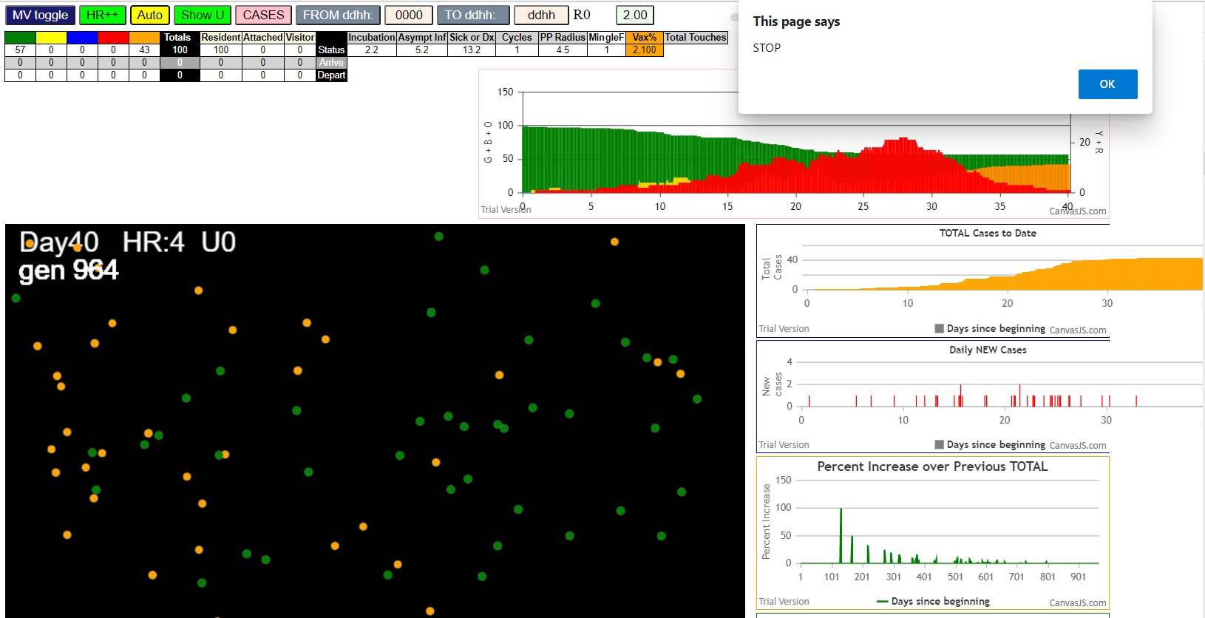
simulationRev2Vax.js:2156 33I i:famKey 30:-1 infected by blue j:famKey 58:-1 at gen 489 in U0 prob=0.827
simulationRev2Vax.js:2156 33I i:famKey 71:-1 infected by blue j:famKey 96:-1 at gen 490 in U0 prob=0.661
simulationRev2Vax.js:2139 35I j:famKey 14:-1 infected by blue i:famKey 10:-1 at gen 497 in Univ0 prob=0.818
simulationRev2Vax.js:2139 36I j:famKey 74:-1 infected by red i:famKey 10:-1 at gen 515 in Univ0 prob=0.797
simulationRev2Vax.js:2156 36I i:famKey 64:-1 infected by blue j:famKey 79:-1 at gen 516 in U0 prob=0.599
simulationRev2Vax.js:2156 37I i:famKey 13:-1 infected by red j:famKey 20:-1 at gen 517 in U0 prob=0.848
simulationRev2Vax.js:2139 39I j:famKey 76:-1 infected by blue i:famKey 3:-1 at gen 540 in Univ0 prob=0.992
simulationRev2Vax.js:2156 40I i:famKey 16:-1 infected by red j:famKey 56:-1 at gen 586 in U0 prob=0.976
simulationRev2Vax.js:2156 41I i:famKey 12:-1 infected by blue j:famKey 74:-1 at gen 613 in U0 prob=0.973
simulationRev2Vax.js:2139 42I j:famKey 77:-1 infected by red i:famKey 3:-1 at gen 674 in Univ0 prob=0.959

simulationRev2Vax.js:833 Mon Jan 04 2021 16:19:01 GMT-0800 (Pacific Standard Time)
simulationRev2Vax.js:834 CovidSIMVL Mode1 and Mod2 Pfizer
simulationRev2Vax.js:4304 exit covidSim
simulationRev2Vax.js:23 getAsText File {name: "HundredAgentsU0mF1.csv", lastModified: 1608077990000, lastModifiedDate: Tue Dec 15 2020 16:19:50 GMT-0800 (Pacific Standard Time), webkitRelativePath: "", size: 2140, …}
simulationRev2Vax.js:32 File {name: "HundredAgentsU0mF1.csv", lastModified: 1608077990000, lastModifiedDate: Tue Dec 15 2020 16:19:50 GMT-0800 (Pacific Standard Time), webkitRelativePath: "", size: 2140, …}
simulationRev2Vax.js:23 getAsText File {name: "VL1.csv", lastModified: 1608081530000, lastModifiedDate: Tue Dec 15 2020 17:18:50 GMT-0800 (Pacific Standard Time), webkitRelativePath: "", size: 65, …}
simulationRev2Vax.js:32 File {name: "VL1.csv", lastModified: 1608081530000, lastModifiedDate: Tue Dec 15 2020 17:18:50 GMT-0800 (Pacific Standard Time), webkitRelativePath: "", size: 65, …}
simulationRev2Vax.js:1318 Case 5,5,3,3.6,4.2,A,5
simulationRev2Vax.js:1621 Red Days changed to 9.2
simulationRev2Vax.js:1643 New Hazard Radius = 4.5
simulationRev2Vax.js:1665 Mode 1,100 modified
simulationRev2Vax.js:1681 (100) [0, 1, 2, 3, 4, 5, 6, 7, 8, 9, 10, 11, 12, 13, 14, 15, 16, 17, 18, 19, 20, 21, 22, 23, 24, 25, 26, 27, 28, 29, 30, 31, 32, 33, 34, 35, 36, 37, 38, 39, 40, 41, 42, 43, 44, 45, 46, 47, 48, 49, 50, 51, 52, 53, 54, 55, 56, 57, 58, 59, 60, 61, 62, 63, 64, 65, 66, 67, 68, 69, 70, 71, 72, 73, 74, 75, 76, 77, 78, 79, 80, 81, 82, 83, 84, 85, 86, 87, 88, 89, 90, 91, 92, 93, 94, 95, 96, 97, 98, 99]
simulationRev2Vax.js:1691 (99) [0, 1, 2, 3, 4, 6, 7, 8, 9, 10, 11, 12, 13, 14, 15, 16, 17, 18, 19, 20, 21, 22, 23, 24, 25, 26, 27, 28, 29, 30, 31, 32, 33, 34, 35, 36, 37, 38, 39, 40, 41, 42, 43, 44, 45, 46, 47, 48, 49, 50, 51, 52, 53, 54, 55, 56, 57, 58, 59, 60, 61, 62, 63, 64, 65, 66, 67, 68, 69, 70, 71, 72, 73, 74, 75, 76, 77, 78, 79, 80, 81, 82, 83, 84, 85, 86, 87, 88, 89, 90, 91, 92, 93, 94, 95, 96, 97, 98, 99]
simulationRev2Vax.js:1719 Vaccination list = 99
simulationRev2Vax.js:1733 vaccinated 26,14,92,63,52,68,6,53,73,15,24,32,45,2,40,81,49,76,80,20,1,65,97,78,83,56,60,28,7,75,41,16,22,62,55,64,4,17,3,94,21,18,43,9,19,36,8,44,25,77,93,88,48,71,46,61,96,0,82,70,66,79,27,29,51,37,67,57,90,91,34,31,86,39,23,12,95,85,58,35,13,87,30,47,89,84,50,98,42,54,38,59,69,72,74,99,33,11,10
simulationRev2Vax.js:2139 1I j:famKey 35:-1 infected by red i:famKey 5:-1 at gen 97 in Univ0 prob=0.346
simulationRev2Vax.js:2156 2I i:famKey 18:-1 infected by blue j:famKey 35:-1 at gen 155 in U0 prob=0.684
simulationRev2Vax.js:2156 3I i:famKey 22:-1 infected by blue j:famKey 35:-1 at gen 195 in U0 prob=0.788
simulationRev2Vax.js:2156 4I i:famKey 13:-1 infected by blue j:famKey 18:-1 at gen 232 in U0 prob=0.243
simulationRev2Vax.js:2139 4I j:famKey 28:-1 infected by blue i:famKey 18:-1 at gen 233 in Univ0 prob=0.132
simulationRev2Vax.js:2139 6I j:famKey 23:-1 infected by blue i:famKey 22:-1 at gen 268 in Univ0 prob=0.909
simulationRev2Vax.js:2139 7I j:famKey 40:-1 infected by red i:famKey 35:-1 at gen 293 in Univ0 prob=0.767
simulationRev2Vax.js:2139 8I j:famKey 87:-1 infected by blue i:famKey 13:-1 at gen 301 in Univ0 prob=0.160
simulationRev2Vax.js:2139 9I j:famKey 29:-1 infected by blue i:famKey 28:-1 at gen 307 in Univ0 prob=0.797
simulationRev2Vax.js:2139 10I j:famKey 95:-1 infected by blue i:famKey 40:-1 at gen 378 in Univ0 prob=0.922
simulationRev2Vax.js:2139 10I j:famKey 91:-1 infected by red i:famKey 22:-1 at gen 379 in Univ0 prob=0.882
simulationRev2Vax.js:2156 12I i:famKey 30:-1 infected by red j:famKey 87:-1 at gen 477 in U0 prob=0.926
simulationRev2Vax.js:2156 12I i:famKey 20:-1 infected by red j:famKey 40:-1 at gen 478 in U0 prob=0.850
simulationRev2Vax.js:2139 13I j:famKey 38:-1 infected by red i:famKey 29:-1 at gen 479 in Univ0 prob=0.608
simulationRev2Vax.js:2156 15I i:famKey 47:-1 infected by blue j:famKey 91:-1 at gen 481 in U0 prob=0.667
simulationRev2Vax.js:2156 16I i:famKey 44:-1 infected by blue j:famKey 91:-1 at gen 484 in U0 prob=0.878
simulationRev2Vax.js:2139 17I j:famKey 75:-1 infected by blue i:famKey 20:-1 at gen 538 in Univ0 prob=0.840
simulationRev2Vax.js:2139 18I j:famKey 64:-1 infected by blue i:famKey 44:-1 at gen 556 in Univ0 prob=0.071
simulationRev2Vax.js:2139 19I j:famKey 60:-1 infected by blue i:famKey 30:-1 at gen 561 in Univ0 prob=0.454
simulationRev2Vax.js:2156 19I i:famKey 6:-1 infected by blue j:famKey 38:-1 at gen 562 in U0 prob=0.987
simulationRev2Vax.js:2156 21I i:famKey 72:-1 infected by red j:famKey 91:-1 at gen 566 in U0 prob=0.450
simulationRev2Vax.js:2156 22I i:famKey 67:-1 infected by red j:famKey 95:-1 at gen 575 in U0 prob=0.264
simulationRev2Vax.js:2139 23I j:famKey 99:-1 infected by blue i:famKey 30:-1 at gen 577 in Univ0 prob=0.165
simulationRev2Vax.js:2156 24I i:famKey 36:-1 infected by blue j:famKey 38:-1 at gen 582 in U0 prob=0.554
simulationRev2Vax.js:2156 25I i:famKey 3:-1 infected by red j:famKey 91:-1 at gen 584 in U0 prob=0.481
simulationRev2Vax.js:2139 26I j:famKey 59:-1 infected by blue i:famKey 30:-1 at gen 589 in Univ0 prob=0.464
simulationRev2Vax.js:2156 27I i:famKey 26:-1 infected by blue j:famKey 64:-1 at gen 611 in U0 prob=0.586
simulationRev2Vax.js:2156 28I i:famKey 11:-1 infected by red j:famKey 38:-1 at gen 618 in U0 prob=0.058
simulationRev2Vax.js:2156 29I i:famKey 46:-1 infected by blue j:famKey 60:-1 at gen 629 in U0 prob=0.086
simulationRev2Vax.js:2139 30I j:famKey 92:-1 infected by red i:famKey 47:-1 at gen 635 in Univ0 prob=0.572
simulationRev2Vax.js:2156 31I i:famKey 42:-1 infected by blue j:famKey 60:-1 at gen 639 in U0 prob=0.383
simulationRev2Vax.js:2139 31I j:famKey 66:-1 infected by red i:famKey 47:-1 at gen 639 in Univ0 prob=0.551
simulationRev2Vax.js:2156 33I i:famKey 39:-1 infected by blue j:famKey 99:-1 at gen 649 in U0 prob=0.586
simulationRev2Vax.js:2139 33I j:famKey 81:-1 infected by blue i:famKey 67:-1 at gen 650 in Univ0 prob=0.203
simulationRev2Vax.js:2156 34I i:famKey 34:-1 infected by blue j:famKey 99:-1 at gen 651 in U0 prob=0.207
simulationRev2Vax.js:2139 36I j:famKey 61:-1 infected by red i:famKey 30:-1 at gen 663 in Univ0 prob=0.599
simulationRev2Vax.js:2139 37I j:famKey 89:-1 infected by blue i:famKey 59:-1 at gen 668 in Univ0 prob=0.796
simulationRev2Vax.js:2139 38I j:famKey 24:-1 infected by blue i:famKey 3:-1 at gen 674 in Univ0 prob=0.988
simulationRev2Vax.js:2156 38I i:famKey 4:-1 infected by blue j:famKey 64:-1 at gen 675 in U0 prob=0.690
simulationRev2Vax.js:2156 40I i:famKey 1:-1 infected by red j:famKey 30:-1 at gen 680 in U0 prob=0.640
simulationRev2Vax.js:2156 40I i:famKey 2:-1 infected by yellow j:famKey 39:-1 at gen 681 in U0 prob=0.635
simulationRev2Vax.js:2156 42I i:famKey 8:-1 infected by blue j:famKey 26:-1 at gen 685 in U0 prob=0.567
simulationRev2Vax.js:2139 43I j:famKey 55:-1 infected by blue i:famKey 26:-1 at gen 689 in Univ0 prob=0.471
simulationRev2Vax.js:2139 43I j:famKey 98:-1 infected by blue i:famKey 26:-1 at gen 689 in Univ0 prob=0.767
simulationRev2Vax.js:2156 45I i:famKey 43:-1 infected by blue j:famKey 99:-1 at gen 692 in U0 prob=0.995
simulationRev2Vax.js:2139 46I j:famKey 83:-1 infected by blue i:famKey 59:-1 at gen 699 in Univ0 prob=0.168
simulationRev2Vax.js:2156 47I i:famKey 9:-1 infected by red j:famKey 64:-1 at gen 709 in U0 prob=0.289
simulationRev2Vax.js:2156 48I i:famKey 0:-1 infected by red j:famKey 99:-1 at gen 712 in U0 prob=0.219
simulationRev2Vax.js:2156 49I i:famKey 63:-1 infected by blue j:famKey 66:-1 at gen 714 in U0 prob=0.376
simulationRev2Vax.js:2156 50I i:famKey 32:-1 infected by blue j:famKey 66:-1 at gen 716 in U0 prob=0.802
simulationRev2Vax.js:2156 51I i:famKey 12:-1 infected by blue j:famKey 26:-1 at gen 719 in U0 prob=0.582
simulationRev2Vax.js:2156 52I i:famKey 17:-1 infected by blue j:famKey 92:-1 at gen 723 in U0 prob=0.262
simulationRev2Vax.js:2139 53I j:famKey 69:-1 infected by blue i:famKey 66:-1 at gen 746 in Univ0 prob=0.460
simulationRev2Vax.js:2156 53I i:famKey 16:-1 infected by yellow j:famKey 83:-1 at gen 747 in U0 prob=0.117
simulationRev2Vax.js:2156 55I i:famKey 27:-1 infected by blue j:famKey 81:-1 at gen 752 in U0 prob=0.325
simulationRev2Vax.js:2139 56I j:famKey 96:-1 infected by blue i:famKey 1:-1 at gen 762 in Univ0 prob=0.212
simulationRev2Vax.js:2139 57I j:famKey 68:-1 infected by blue i:famKey 9:-1 at gen 781 in Univ0 prob=0.752
simulationRev2Vax.js:2139 58I j:famKey 50:-1 infected by blue i:famKey 32:-1 at gen 786 in Univ0 prob=0.021
simulationRev2Vax.js:2156 59I i:famKey 37:-1 infected by red j:famKey 59:-1 at gen 801 in U0 prob=0.610
simulationRev2Vax.js:2139 60I j:famKey 41:-1 infected by blue i:famKey 12:-1 at gen 822 in Univ0 prob=0.973
simulationRev2Vax.js:2139 61I j:famKey 70:-1 infected by red i:famKey 34:-1 at gen 830 in Univ0 prob=0.049
simulationRev2Vax.js:2139 61I j:famKey 78:-1 infected by red i:famKey 24:-1 at gen 831 in Univ0 prob=0.822
simulationRev2Vax.js:2156 63I i:famKey 76:-1 infected by red j:famKey 83:-1 at gen 838 in U0 prob=0.702
simulationRev2Vax.js:2139 63I j:famKey 45:-1 infected by red i:famKey 9:-1 at gen 839 in Univ0 prob=0.339
simulationRev2Vax.js:2156 65I i:famKey 65:-1 infected by red j:famKey 89:-1 at gen 854 in U0 prob=0.001
simulationRev2Vax.js:2156 66I i:famKey 77:-1 infected by red j:famKey 83:-1 at gen 857 in U0 prob=0.408
simulationRev2Vax.js:2156 67I i:famKey 73:-1 infected by red j:famKey 98:-1 at gen 861 in U0 prob=0.947
simulationRev2Vax.js:2139 68I j:famKey 74:-1 infected by blue i:famKey 37:-1 at gen 864 in Univ0 prob=0.655
...
simulationRev2Vax.js:833 Mon Jan 04 2021 16:19:01 GMT-0800 (Pacific Standard Time)
simulationRev2Vax.js:2139 82I j:famKey 94:-1 infected by red i:famKey 73:-1 at gen 1000 in Univ0 prob=0.809
simulationRev2Vax.js:2156 83I i:famKey 21:-1 infected by red j:famKey 73:-1 at gen 1017 in U0 prob=0.802
simulationRev2Vax.js:2139 83I j:famKey 97:-1 infected by red i:famKey 82:-1 at gen 1017 in Univ0 prob=0.550
simulationRev2Vax.js:2139 85I j:famKey 84:-1 infected by red i:famKey 77:-1 at gen 1024 in Univ0 prob=0.937
simulationRev2Vax.js:2139 86I j:famKey 93:-1 infected by red i:famKey 82:-1 at gen 1043 in Univ0 prob=0.679
simulationRev2Vax.js:2156 87I i:famKey 53:-1 infected by red j:famKey 85:-1 at gen 1050 in U0 prob=0.074
simulationRev2Vax.js:2139 88I j:famKey 90:-1 infected by red i:famKey 85:-1 at gen 1061 in Univ0 prob=0.981
simulationRev2Vax.js:2139 89I j:famKey 51:-1 infected by red i:famKey 14:-1 at gen 1086 in Univ0 prob=0.897
simulationRev2Vax.js:2139 90I j:famKey 31:-1 infected by blue i:famKey 21:-1 at gen 1089 in Univ0 prob=0.400
simulationRev2Vax.js:2139 91I j:famKey 86:-1 infected by blue i:famKey 21:-1 at gen 1093 in Univ0 prob=0.847
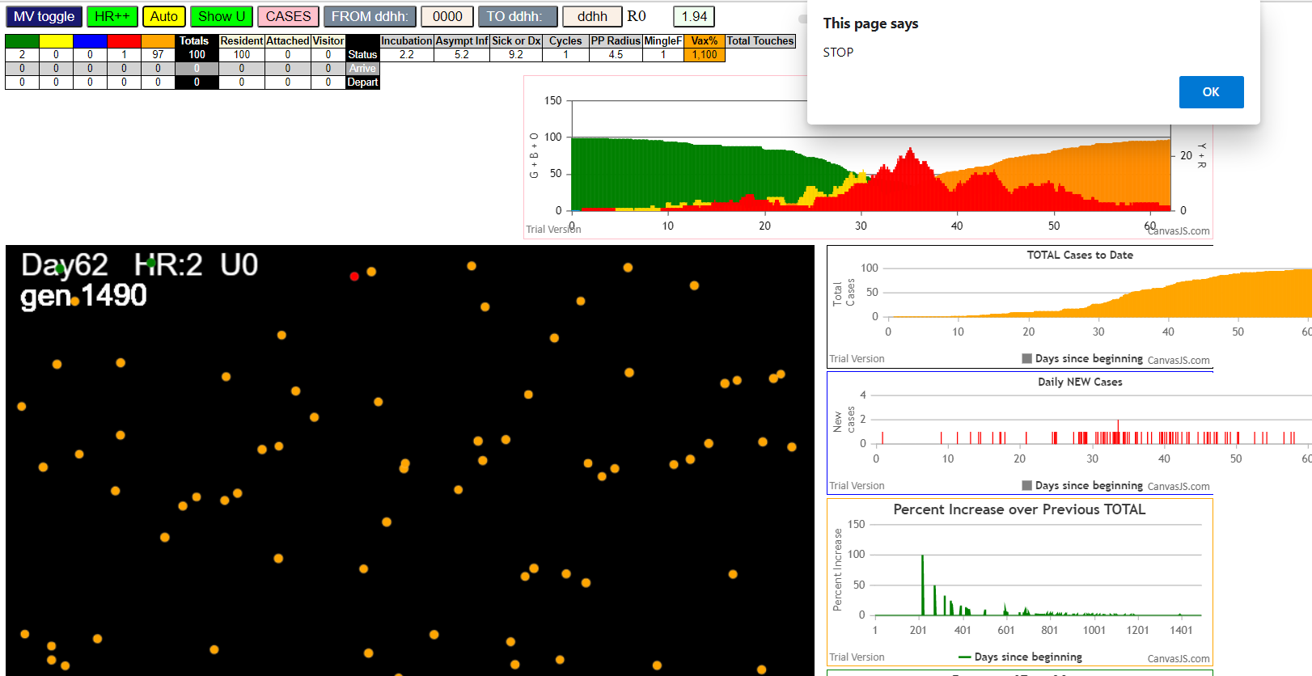
simulationRev2Vax.js:2156 92I i:famKey 19:-1 infected by red j:famKey 97:-1 at gen 1144 in U0 prob=0.546
simulationRev2Vax.js:2139 93I j:famKey 80:-1 infected by red i:famKey 7:-1 at gen 1167 in Univ0 prob=0.296
simulationRev2Vax.js:2139 94I j:famKey 48:-1 infected by red i:famKey 21:-1 at gen 1190 in Univ0 prob=0.733
simulationRev2Vax.js:2139 95I j:famKey 58:-1 infected by red i:famKey 51:-1 at gen 1240 in Univ0 prob=0.008
simulationRev2Vax.js:2156 96I i:famKey 62:-1 infected by red j:famKey 86:-1 at gen 1270 in U0 prob=0.139
simulationRev2Vax.js:2156 97I i:famKey 15:-1 infected by red j:famKey 51:-1 at gen 1275 in U0 prob=0.412

simulationRev2Vax.js:833 Mon Jan 04 2021 16:25:53 GMT-0800 (Pacific Standard Time)
simulationRev2Vax.js:834 CovidSIMVL Mode1 and Mod2 Pfizer
simulationRev2Vax.js:4304 exit covidSim
simulationRev2Vax.js:23 getAsText File {name: "HundredAgentsU0mF1.csv", lastModified: 1608077990000, lastModifiedDate: Tue Dec 15 2020 16:19:50 GMT-0800 (Pacific Standard Time), webkitRelativePath: "", size: 2140, …}
simulationRev2Vax.js:32 File {name: "HundredAgentsU0mF1.csv", lastModified: 1608077990000, lastModifiedDate: Tue Dec 15 2020 16:19:50 GMT-0800 (Pacific Standard Time), webkitRelativePath: "", size: 2140, …}
simulationRev2Vax.js:23 getAsText File {name: "VL1.csv", lastModified: 1608081530000, lastModifiedDate: Tue Dec 15 2020 17:18:50 GMT-0800 (Pacific Standard Time), webkitRelativePath: "", size: 65, …}
simulationRev2Vax.js:32 File {name: "VL1.csv", lastModified: 1608081530000, lastModifiedDate: Tue Dec 15 2020 17:18:50 GMT-0800 (Pacific Standard Time), webkitRelativePath: "", size: 65, …}
...
simulationRev2Vax.js:2139 8I j:famKey 82:-1 infected by red i:famKey 64:-1 at gen 235 in Univ0 prob=0.751
simulationRev2Vax.js:2156 9I i:famKey 17:-1 infected by blue j:famKey 65:-1 at gen 244 in U0 prob=0.131
simulationRev2Vax.js:2156 10I i:famKey 20:-1 infected by yellow j:famKey 59:-1 at gen 259 in U0 prob=0.236
simulationRev2Vax.js:2156 11I i:famKey 49:-1 infected by blue j:famKey 59:-1 at gen 289 in U0 prob=0.658
simulationRev2Vax.js:2139 12I j:famKey 72:-1 infected by blue i:famKey 51:-1 at gen 305 in Univ0 prob=0.718
simulationRev2Vax.js:2139 13I j:famKey 55:-1 infected by blue i:famKey 51:-1 at gen 322 in Univ0 prob=0.295
simulationRev2Vax.js:2156 14I i:famKey 6:-1 infected by blue j:famKey 82:-1 at gen 325 in U0 prob=0.580
simulationRev2Vax.js:2139 15I j:famKey 57:-1 infected by blue i:famKey 51:-1 at gen 334 in Univ0 prob=0.985
simulationRev2Vax.js:2156 16I i:famKey 46:-1 infected by blue j:famKey 82:-1 at gen 336 in U0 prob=0.901
simulationRev2Vax.js:2156 17I i:famKey 27:-1 infected by blue j:famKey 72:-1 at gen 378 in U0 prob=0.581
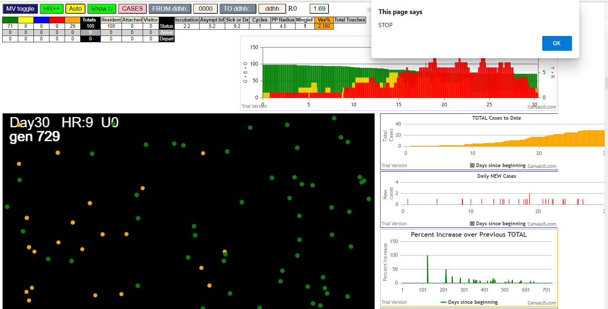
simulationRev2Vax.js:2139 18I j:famKey 94:-1 infected by red i:famKey 17:-1 at gen 390 in Univ0 prob=0.844
simulationRev2Vax.js:2139 19I j:famKey 87:-1 infected by blue i:famKey 55:-1 at gen 405 in Univ0 prob=0.593
simulationRev2Vax.js:2156 20I i:famKey 10:-1 infected by red j:famKey 17:-1 at gen 408 in U0 prob=0.656
simulationRev2Vax.js:2156 21I i:famKey 66:-1 infected by red j:famKey 82:-1 at gen 421 in U0 prob=0.656
simulationRev2Vax.js:2156 22I i:famKey 56:-1 infected by red j:famKey 72:-1 at gen 449 in U0 prob=0.855
simulationRev2Vax.js:2156 23I i:famKey 21:-1 infected by red j:famKey 57:-1 at gen 453 in U0 prob=0.763
simulationRev2Vax.js:2139 23I j:famKey 74:-1 infected by red i:famKey 55:-1 at gen 453 in Univ0 prob=0.694
simulationRev2Vax.js:2156 25I i:famKey 28:-1 infected by red j:famKey 55:-1 at gen 498 in U0 prob=0.856
simulationRev2Vax.js:2156 26I i:famKey 77:-1 infected by blue j:famKey 87:-1 at gen 500 in U0 prob=0.856
simulationRev2Vax.js:2139 27I j:famKey 86:-1 infected by red i:famKey 46:-1 at gen 503 in Univ0 prob=0.956
simulationRev2Vax.js:2139 28I j:famKey 22:-1 infected by blue i:famKey 10:-1 at gen 526 in Univ0 prob=0.971

simulationRev2Vax.js:833 Mon Jan 04 2021 16:29:56 GMT-0800 (Pacific Standard Time)
simulationRev2Vax.js:834 CovidSIMVL Mode1 and Mod2 Pfizer
simulationRev2Vax.js:4304 exit covidSim
simulationRev2Vax.js:23 getAsText File {name: "HundredAgentsU0mF1.csv", lastModified: 1608077990000, lastModifiedDate: Tue Dec 15 2020 16:19:50 GMT-0800 (Pacific Standard Time), webkitRelativePath: "", size: 2140, …}
simulationRev2Vax.js:32 File {name: "HundredAgentsU0mF1.csv", lastModified: 1608077990000, lastModifiedDate: Tue Dec 15 2020 16:19:50 GMT-0800 (Pacific Standard Time), webkitRelativePath: "", size: 2140, …}
simulationRev2Vax.js:23 getAsText File {name: "VL1.csv", lastModified: 1608081530000, lastModifiedDate: Tue Dec 15 2020 17:18:50 GMT-0800 (Pacific Standard Time), webkitRelativePath: "", size: 65, …}
simulationRev2Vax.js:32 File {name: "VL1.csv", lastModified: 1608081530000, lastModifiedDate: Tue Dec 15 2020 17:18:50 GMT-0800 (Pacific Standard Time), webkitRelativePath: "", size: 65, …}
...
simulationRev2Vax.js:2139 68I j:famKey 27:-1 infected by red i:famKey 25:-1 at gen 1930 in Univ0 prob=0.663
simulationRev2Vax.js:2139 69I j:famKey 69:-1 infected by blue i:famKey 65:-1 at gen 1939 in Univ0 prob=0.049
simulationRev2Vax.js:2139 70I j:famKey 98:-1 infected by red i:famKey 25:-1 at gen 1964 in Univ0 prob=0.995
simulationRev2Vax.js:2139 71I j:famKey 88:-1 infected by red i:famKey 65:-1 at gen 1974 in Univ0 prob=0.039
simulationRev2Vax.js:2156 72I i:famKey 1:-1 infected by red j:famKey 25:-1 at gen 1998 in U0 prob=0.862
simulationRev2Vax.js:2156 73I i:famKey 68:-1 infected by blue j:famKey 98:-1 at gen 2022 in U0 prob=0.976
simulationRev2Vax.js:2139 74I j:famKey 95:-1 infected by red i:famKey 30:-1 at gen 2047 in Univ0 prob=0.867
simulationRev2Vax.js:2156 75I i:famKey 62:-1 infected by blue j:famKey 68:-1 at gen 2110 in U0 prob=0.297
simulationRev2Vax.js:2156 76I i:famKey 9:-1 infected by red j:famKey 88:-1 at gen 2143 in U0 prob=0.594
simulationRev2Vax.js:2139 77I j:famKey 51:-1 infected by red i:famKey 27:-1 at gen 2214 in Univ0 prob=0.884
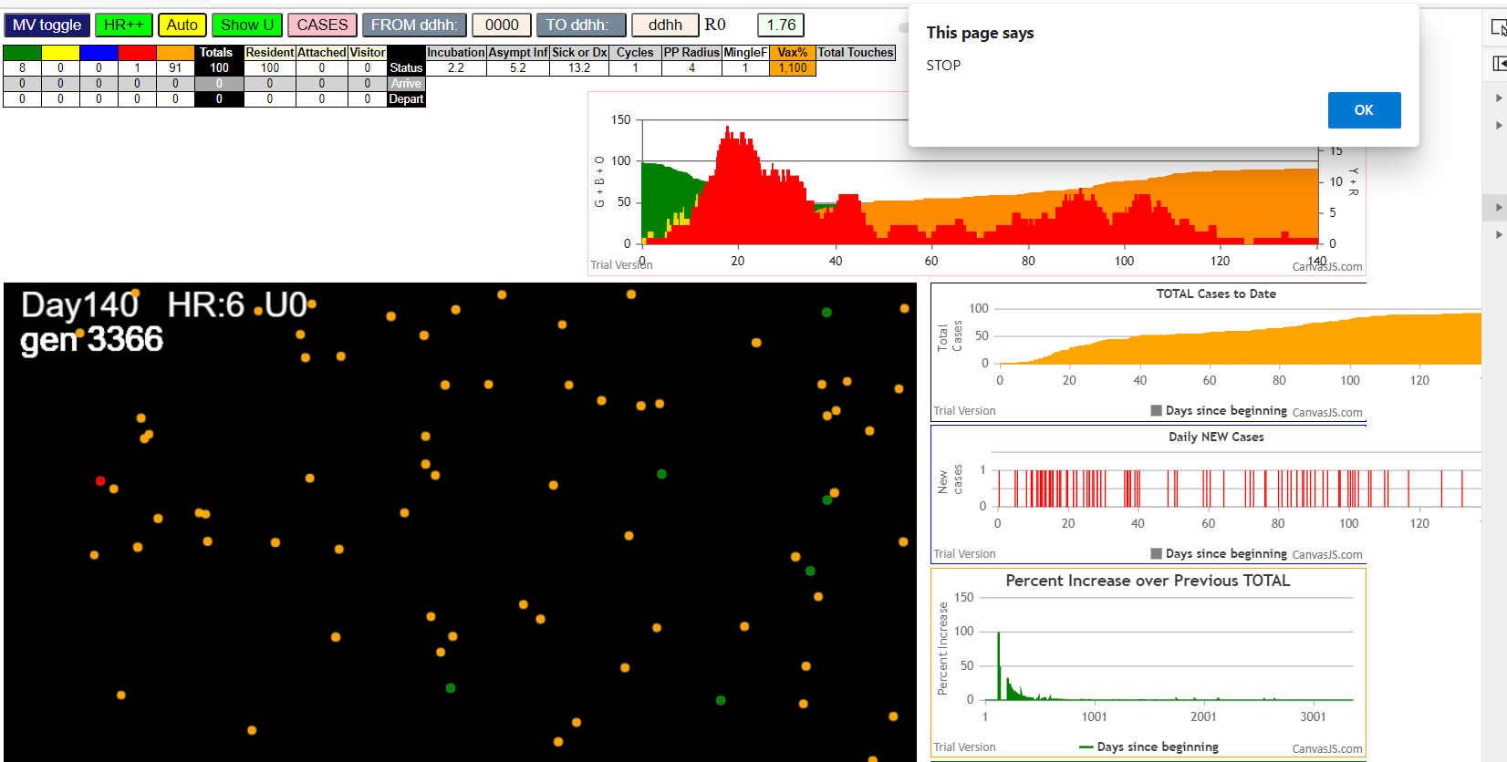
simulationRev2Vax.js:2156 77I i:famKey 2:-1 infected by red j:famKey 88:-1 at gen 2215 in U0 prob=0.238
simulationRev2Vax.js:2156 79I i:famKey 38:-1 infected by red j:famKey 98:-1 at gen 2233 in U0 prob=0.266
simulationRev2Vax.js:2156 80I i:famKey 4:-1 infected by red j:famKey 62:-1 at gen 2276 in U0 prob=0.355
simulationRev2Vax.js:2139 81I j:famKey 61:-1 infected by blue i:famKey 2:-1 at gen 2302 in Univ0 prob=0.256
simulationRev2Vax.js:2139 82I j:famKey 34:-1 infected by blue i:famKey 2:-1 at gen 2318 in Univ0 prob=0.731
simulationRev2Vax.js:2156 83I i:famKey 7:-1 infected by red j:famKey 95:-1 at gen 2334 in U0 prob=0.992
simulationRev2Vax.js:2156 84I i:famKey 19:-1 infected by red j:famKey 62:-1 at gen 2350 in U0 prob=0.485
simulationRev2Vax.js:2139 85I j:famKey 79:-1 infected by red i:famKey 51:-1 at gen 2422 in Univ0 prob=0.810
simulationRev2Vax.js:2139 86I j:famKey 89:-1 infected by red i:famKey 2:-1 at gen 2444 in Univ0 prob=0.110
simulationRev2Vax.js:2139 87I j:famKey 20:-1 infected by red i:famKey 4:-1 at gen 2538 in Univ0 prob=0.738
simulationRev2Vax.js:2139 88I j:famKey 23:-1 infected by red i:famKey 4:-1 at gen 2557 in Univ0 prob=0.466
simulationRev2Vax.js:2156 89I i:famKey 17:-1 infected by red j:famKey 79:-1 at gen 2696 in U0 prob=0.544
simulationRev2Vax.js:2139 90I j:famKey 46:-1 infected by red i:famKey 17:-1 at gen 2919 in Univ0 prob=0.247
simulationRev2Vax.js:2156 91I i:famKey 42:-1 infected by red j:famKey 46:-1 at gen 3060 in U0 prob=0.799

simulationRev2Vax.js:833 Mon Jan 04 2021 17:39:46 GMT-0800 (Pacific Standard Time)
simulationRev2Vax.js:834 CovidSIMVL Mode1 and Mod2 Pfizer
simulationRev2Vax.js:4304 exit covidSim
simulationRev2Vax.js:23 getAsText File {name: "HundredAgentsU0mF1.csv", lastModified: 1608077990000, lastModifiedDate: Tue Dec 15 2020 16:19:50 GMT-0800 (Pacific Standard Time), webkitRelativePath: "", size: 2140, …}
simulationRev2Vax.js:32 File {name: "HundredAgentsU0mF1.csv", lastModified: 1608077990000, lastModifiedDate: Tue Dec 15 2020 16:19:50 GMT-0800 (Pacific Standard Time), webkitRelativePath: "", size: 2140, …}
simulationRev2Vax.js:23 getAsText File {name: "VL1.csv", lastModified: 1608081530000, lastModifiedDate: Tue Dec 15 2020 17:18:50 GMT-0800 (Pacific Standard Time), webkitRelativePath: "", size: 65, …}
simulationRev2Vax.js:32 File {name: "VL1.csv", lastModified: 1608081530000, lastModifiedDate: Tue Dec 15 2020 17:18:50 GMT-0800 (Pacific Standard Time), webkitRelativePath: "", size: 65, …}
...
simulationRev2Vax.js:2139 43I j:famKey 86:-1 infected by red i:famKey 38:-1 at gen 438 in Univ0 prob=0.874
simulationRev2Vax.js:2156 44I i:famKey 4:-1 infected by red j:famKey 51:-1 at gen 453 in U0 prob=0.891
simulationRev2Vax.js:2156 45I i:famKey 7:-1 infected by blue j:famKey 16:-1 at gen 458 in U0 prob=0.582
simulationRev2Vax.js:2156 46I i:famKey 2:-1 infected by red j:famKey 24:-1 at gen 460 in U0 prob=0.816
simulationRev2Vax.js:2139 47I j:famKey 88:-1 infected by blue i:famKey 45:-1 at gen 462 in Univ0 prob=0.884
simulationRev2Vax.js:2156 48I i:famKey 58:-1 infected by red j:famKey 66:-1 at gen 468 in U0 prob=0.644
simulationRev2Vax.js:2139 49I j:famKey 68:-1 infected by red i:famKey 11:-1 at gen 474 in Univ0 prob=0.915
simulationRev2Vax.js:2139 50I j:famKey 91:-1 infected by red i:famKey 20:-1 at gen 481 in Univ0 prob=0.646
simulationRev2Vax.js:2139 51I j:famKey 70:-1 infected by red i:famKey 24:-1 at gen 484 in Univ0 prob=0.883
simulationRev2Vax.js:2139 52I j:famKey 60:-1 infected by red i:famKey 12:-1 at gen 489 in Univ0 prob=0.794
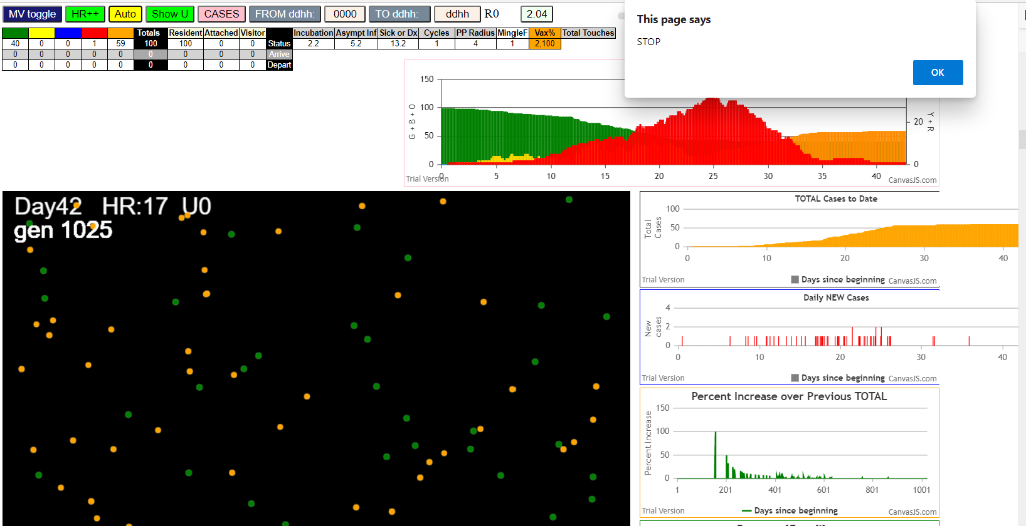
simulationRev2Vax.js:2139 53I j:famKey 83:-1 infected by blue i:famKey 25:-1 at gen 500 in Univ0 prob=0.556
simulationRev2Vax.js:2156 54I i:famKey 30:-1 infected by red j:famKey 96:-1 at gen 503 in U0 prob=0.891
simulationRev2Vax.js:2156 55I i:famKey 93:-1 infected by red j:famKey 96:-1 at gen 512 in U0 prob=0.623
simulationRev2Vax.js:2156 56I i:famKey 9:-1 infected by blue j:famKey 88:-1 at gen 518 in U0 prob=0.666
simulationRev2Vax.js:2156 57I i:famKey 18:-1 infected by red j:famKey 79:-1 at gen 632 in U0 prob=0.990
simulationRev2Vax.js:2156 58I i:famKey 3:-1 infected by red j:famKey 68:-1 at gen 642 in U0 prob=0.981
simulationRev2Vax.js:2156 59I i:famKey 64:-1 infected by red j:famKey 70:-1 at gen 738 in U0 prob=0.957

simulationRev2Vax.js:833 Mon Jan 04 2021 17:45:02 GMT-0800 (Pacific Standard Time)
simulationRev2Vax.js:834 CovidSIMVL Mode1 and Mod2 Pfizer
simulationRev2Vax.js:4304 exit covidSim
simulationRev2Vax.js:23 getAsText File {name: "HundredAgentsU0mF1.csv", lastModified: 1608077990000, lastModifiedDate: Tue Dec 15 2020 16:19:50 GMT-0800 (Pacific Standard Time), webkitRelativePath: "", size: 2140, …}
simulationRev2Vax.js:32 File {name: "HundredAgentsU0mF1.csv", lastModified: 1608077990000, lastModifiedDate: Tue Dec 15 2020 16:19:50 GMT-0800 (Pacific Standard Time), webkitRelativePath: "", size: 2140, …}
simulationRev2Vax.js:23 getAsText File {name: "VL1.csv", lastModified: 1608081530000, lastModifiedDate: Tue Dec 15 2020 17:18:50 GMT-0800 (Pacific Standard Time), webkitRelativePath: "", size: 65, …}
...
simulationRev2Vax.js:2156 79I i:famKey 76:-1 infected by blue j:famKey 86:-1 at gen 1064 in U0 prob=0.757
simulationRev2Vax.js:2139 80I j:famKey 88:-1 infected by blue i:famKey 29:-1 at gen 1070 in Univ0 prob=0.024
simulationRev2Vax.js:2156 81I i:famKey 40:-1 infected by blue j:famKey 86:-1 at gen 1105 in U0 prob=0.921
simulationRev2Vax.js:2139 82I j:famKey 50:-1 infected by blue i:famKey 12:-1 at gen 1113 in Univ0 prob=0.127
simulationRev2Vax.js:2156 83I i:famKey 46:-1 infected by red j:famKey 74:-1 at gen 1126 in U0 prob=0.673
simulationRev2Vax.js:2139 84I j:famKey 77:-1 infected by blue i:famKey 46:-1 at gen 1177 in Univ0 prob=0.827
simulationRev2Vax.js:2156 85I i:famKey 64:-1 infected by red j:famKey 77:-1 at gen 1297 in U0 prob=0.440
simulationRev2Vax.js:2139 86I j:famKey 81:-1 infected by red i:famKey 46:-1 at gen 1333 in Univ0 prob=0.400
simulationRev2Vax.js:2156 87I i:famKey 1:-1 infected by red j:famKey 81:-1 at gen 1485 in U0 prob=0.611

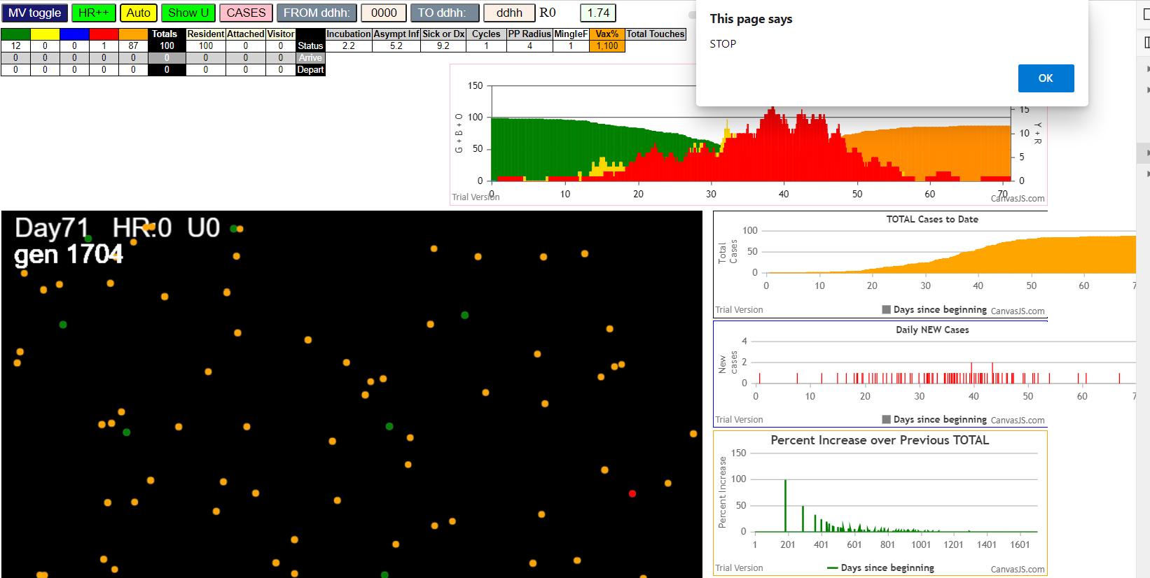

simulationRev2Vax.js:833 Mon Jan 04 2021 17:53:47 GMT-0800 (Pacific Standard Time)
simulationRev2Vax.js:834 CovidSIMVL Mode1 and Mod2 Pfizer
simulationRev2Vax.js:4304 exit covidSim
simulationRev2Vax.js:23 getAsText File {name: "HundredAgentsU0mF1.csv", lastModified: 1608077990000, lastModifiedDate: Tue Dec 15 2020 16:19:50 GMT-0800 (Pacific Standard Time), webkitRelativePath: "", size: 2140, …}
simulationRev2Vax.js:32 File {name: "HundredAgentsU0mF1.csv", lastModified: 1608077990000, lastModifiedDate: Tue Dec 15 2020 16:19:50 GMT-0800 (Pacific Standard Time), webkitRelativePath: "", size: 2140, …}
simulationRev2Vax.js:23 getAsText File {name: "VL1.csv", lastModified: 1608081530000, lastModifiedDate: Tue Dec 15 2020 17:18:50 GMT-0800 (Pacific Standard Time), webkitRelativePath: "", size: 65, …}
simulationRev2Vax.js:32 File {name: "VL1.csv", lastModified: 1608081530000, lastModifiedDate: Tue Dec 15 2020 17:18:50 GMT-0800 (Pacific Standard Time), webkitRelativePath: "", size: 65, …}
...
simulationRev2Vax.js:2139 20I j:famKey 62:-1 infected by red i:famKey 37:-1 at gen 333 in Univ0 prob=0.021
simulationRev2Vax.js:2139 21I j:famKey 77:-1 infected by blue i:famKey 29:-1 at gen 340 in Univ0 prob=0.653
simulationRev2Vax.js:2156 22I i:famKey 52:-1 infected by blue j:famKey 62:-1 at gen 406 in U0 prob=0.962
simulationRev2Vax.js:2139 23I j:famKey 44:-1 infected by red i:famKey 8:-1 at gen 435 in Univ0 prob=0.541
simulationRev2Vax.js:2139 24I j:famKey 92:-1 infected by red i:famKey 8:-1 at gen 438 in Univ0 prob=0.784
simulationRev2Vax.js:2139 25I j:famKey 60:-1 infected by red i:famKey 8:-1 at gen 459 in Univ0 prob=0.680
simulationRev2Vax.js:2139 26I j:famKey 80:-1 infected by blue i:famKey 77:-1 at gen 461 in Univ0 prob=0.778
simulationRev2Vax.js:2156 27I i:famKey 28:-1 infected by red j:famKey 62:-1 at gen 474 in U0 prob=0.842
simulationRev2Vax.js:2139 28I j:famKey 31:-1 infected by red i:famKey 8:-1 at gen 492 in Univ0 prob=0.699
simulationRev2Vax.js:2156 29I i:famKey 46:-1 infected by red j:famKey 62:-1 at gen 504 in U0 prob=0.637
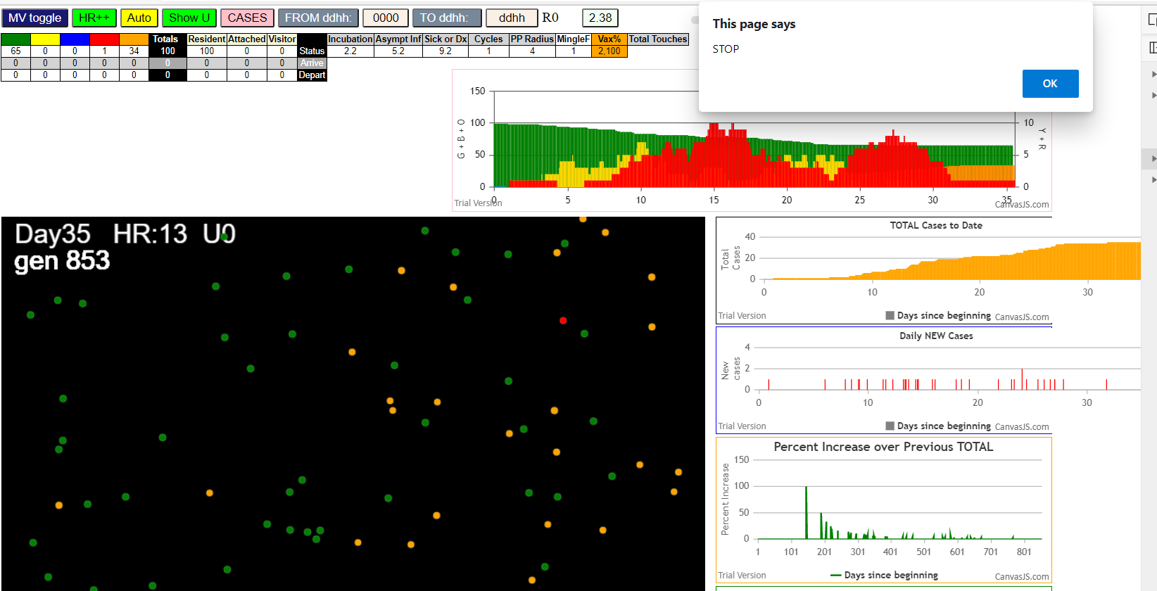
simulationRev2Vax.js:2139 30I j:famKey 34:-1 infected by yellow i:famKey 31:-1 at gen 522 in Univ0 prob=0.793
simulationRev2Vax.js:2156 31I i:famKey 15:-1 infected by yellow j:famKey 31:-1 at gen 526 in U0 prob=0.968
simulationRev2Vax.js:2139 31I j:famKey 98:-1 infected by red i:famKey 8:-1 at gen 527 in Univ0 prob=0.554
simulationRev2Vax.js:2139 33I j:famKey 40:-1 infected by blue i:famKey 28:-1 at gen 550 in Univ0 prob=0.999
simulationRev2Vax.js:2139 34I j:famKey 63:-1 infected by red i:famKey 44:-1 at gen 644 in Univ0 prob=0.966

simulationRev2Vax.js:833 Mon Jan 04 2021 18:24:48 GMT-0800 (Pacific Standard Time)
simulationRev2Vax.js:834 CovidSIMVL Mode1 and Mod2 Pfizer
simulationRev2Vax.js:4305 exit covidSim
simulationRev2Vax.js:23 getAsText File {name: "HundredAgentsU0mF1.csv", lastModified: 1608077990000, lastModifiedDate: Tue Dec 15 2020 16:19:50 GMT-0800 (Pacific Standard Time), webkitRelativePath: "", size: 2140, …}
simulationRev2Vax.js:32 File {name: "HundredAgentsU0mF1.csv", lastModified: 1608077990000, lastModifiedDate: Tue Dec 15 2020 16:19:50 GMT-0800 (Pacific Standard Time), webkitRelativePath: "", size: 2140, …}
simulationRev2Vax.js:23 getAsText File {name: "VL1.csv", lastModified: 1608081530000, lastModifiedDate: Tue Dec 15 2020 17:18:50 GMT-0800 (Pacific Standard Time), webkitRelativePath: "", size: 65, …}
simulationRev2Vax.js:32 File {name: "VL1.csv", lastModified: 1608081530000, lastModifiedDate: Tue Dec 15 2020 17:18:50 GMT-0800 (Pacific Standard Time), webkitRelativePath: "", size: 65, …}
...
simulationRev2Vax.js:2157 53I i:famKey 3:-1 infected by red j:famKey 51:-1 at gen 436 in U0 prob=0.757
simulationRev2Vax.js:2140 54I j:famKey 78:-1 infected by blue i:famKey 46:-1 at gen 442 in Univ0 prob=0.864
simulationRev2Vax.js:2140 55I j:famKey 62:-1 infected by blue i:famKey 10:-1 at gen 458 in Univ0 prob=0.880
simulationRev2Vax.js:2157 56I i:famKey 13:-1 infected by blue j:famKey 17:-1 at gen 460 in U0 prob=0.808
simulationRev2Vax.js:2157 57I i:famKey 20:-1 infected by red j:famKey 54:-1 at gen 469 in U0 prob=0.863
simulationRev2Vax.js:2140 58I j:famKey 92:-1 infected by yellow i:famKey 3:-1 at gen 474 in Univ0 prob=0.628
simulationRev2Vax.js:2140 59I j:famKey 87:-1 infected by red i:famKey 56:-1 at gen 477 in Univ0 prob=0.924
simulationRev2Vax.js:2157 60I i:famKey 1:-1 infected by red j:famKey 7:-1 at gen 480 in U0 prob=0.823
simulationRev2Vax.js:2140 61I j:famKey 71:-1 infected by blue i:famKey 10:-1 at gen 497 in Univ0 prob=0.561
simulationRev2Vax.js:2140 62I j:famKey 52:-1 infected by red i:famKey 8:-1 at gen 507 in Univ0 prob=0.606
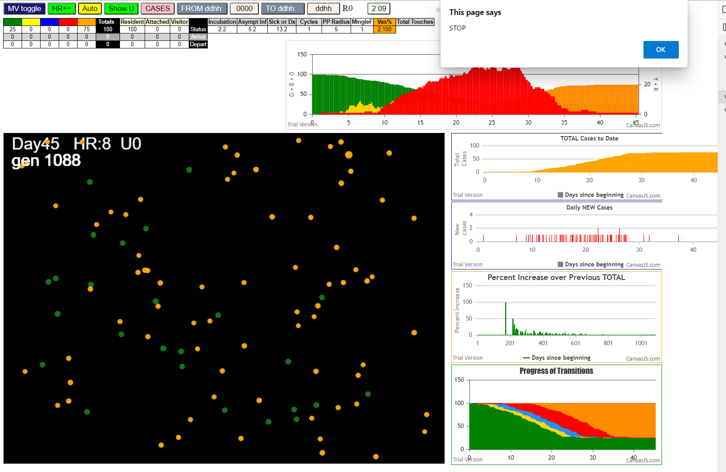
simulationRev2Vax.js:2140 62I j:famKey 67:-1 infected by red i:famKey 44:-1 at gen 508 in Univ0 prob=0.565
simulationRev2Vax.js:2157 64I i:famKey 42:-1 infected by red j:famKey 70:-1 at gen 510 in U0 prob=0.885
simulationRev2Vax.js:2140 65I j:famKey 99:-1 infected by red i:famKey 86:-1 at gen 513 in Univ0 prob=0.801
simulationRev2Vax.js:2157 66I i:famKey 0:-1 infected by red j:famKey 70:-1 at gen 518 in U0 prob=0.897
simulationRev2Vax.js:2140 67I j:famKey 30:-1 infected by red i:famKey 25:-1 at gen 524 in Univ0 prob=0.825
simulationRev2Vax.js:2157 68I i:famKey 64:-1 infected by red j:famKey 70:-1 at gen 534 in U0 prob=0.695
simulationRev2Vax.js:2157 68I i:famKey 72:-1 infected by blue j:famKey 78:-1 at gen 534 in U0 prob=0.635
simulationRev2Vax.js:2140 70I j:famKey 80:-1 infected by red i:famKey 70:-1 at gen 539 in Univ0 prob=0.967
simulationRev2Vax.js:2140 71I j:famKey 83:-1 infected by blue i:famKey 41:-1 at gen 544 in Univ0 prob=0.955
simulationRev2Vax.js:2157 72I i:famKey 12:-1 infected by blue j:famKey 52:-1 at gen 619 in U0 prob=0.993
simulationRev2Vax.js:2140 73I j:famKey 81:-1 infected by blue i:famKey 64:-1 at gen 650 in Univ0 prob=0.981
simulationRev2Vax.js:2157 74I i:famKey 32:-1 infected by red j:famKey 99:-1 at gen 781 in U0 prob=0.957

simulationRev2Vax.js:833 Mon Jan 04 2021 18:44:09 GMT-0800 (Pacific Standard Time)
simulationRev2Vax.js:834 CovidSIMVL Mode1 and Mod2 Pfizer
simulationRev2Vax.js:4305 exit covidSim
simulationRev2Vax.js:23 getAsText File {name: "HundredAgentsU0mF1.csv", lastModified: 1608077990000, lastModifiedDate: Tue Dec 15 2020 16:19:50 GMT-0800 (Pacific Standard Time), webkitRelativePath: "", size: 2140, …}
simulationRev2Vax.js:32 File {name: "HundredAgentsU0mF1.csv", lastModified: 1608077990000, lastModifiedDate: Tue Dec 15 2020 16:19:50 GMT-0800 (Pacific Standard Time), webkitRelativePath: "", size: 2140, …}
simulationRev2Vax.js:23 getAsText File {name: "VL1.csv", lastModified: 1608081530000, lastModifiedDate: Tue Dec 15 2020 17:18:50 GMT-0800 (Pacific Standard Time), webkitRelativePath: "", size: 65, …}
...
simulationRev2Vax.js:2140 48I j:famKey 94:-1 infected by yellow i:famKey 9:-1 at gen 320 in Univ0 prob=0.337
simulationRev2Vax.js:2157 49I i:famKey 18:-1 infected by blue j:famKey 51:-1 at gen 326 in U0 prob=0.283
simulationRev2Vax.js:2140 49I j:famKey 74:-1 infected by red i:famKey 34:-1 at gen 326 in Univ0 prob=0.634
simulationRev2Vax.js:2157 51I i:famKey 40:-1 infected by blue j:famKey 51:-1 at gen 330 in U0 prob=0.213
simulationRev2Vax.js:2157 52I i:famKey 79:-1 infected by blue j:famKey 95:-1 at gen 389 in U0 prob=0.951
simulationRev2Vax.js:2140 53I j:famKey 82:-1 infected by red i:famKey 39:-1 at gen 401 in Univ0 prob=0.713
simulationRev2Vax.js:2140 54I j:famKey 73:-1 infected by blue i:famKey 57:-1 at gen 406 in Univ0 prob=0.587
simulationRev2Vax.js:2157 55I i:famKey 16:-1 infected by blue j:famKey 91:-1 at gen 412 in U0 prob=0.584
simulationRev2Vax.js:2157 56I i:famKey 3:-1 infected by blue j:famKey 40:-1 at gen 414 in U0 prob=0.824
simulationRev2Vax.js:2157 57I i:famKey 25:-1 infected by red j:famKey 35:-1 at gen 416 in U0 prob=0.592
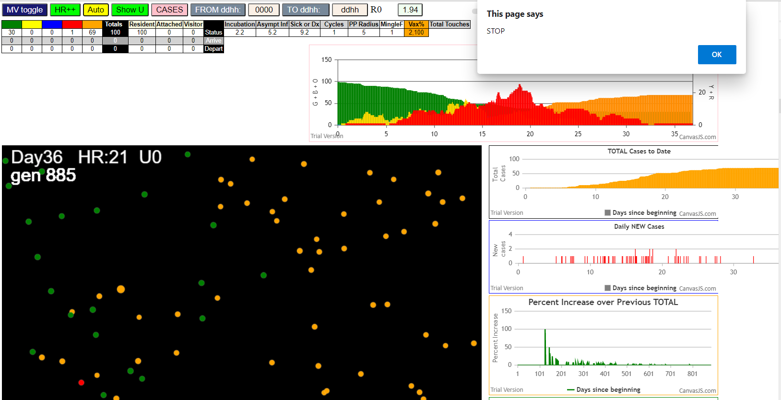
simulationRev2Vax.js:2140 58I j:famKey 63:-1 infected by red i:famKey 51:-1 at gen 427 in Univ0 prob=0.979
simulationRev2Vax.js:2157 59I i:famKey 66:-1 infected by red j:famKey 91:-1 at gen 436 in U0 prob=0.920
simulationRev2Vax.js:2157 60I i:famKey 17:-1 infected by red j:famKey 51:-1 at gen 439 in U0 prob=0.860
simulationRev2Vax.js:2140 61I j:famKey 71:-1 infected by yellow i:famKey 66:-1 at gen 448 in Univ0 prob=0.571
simulationRev2Vax.js:2157 62I i:famKey 15:-1 infected by red j:famKey 18:-1 at gen 483 in U0 prob=0.782
simulationRev2Vax.js:2140 63I j:famKey 81:-1 infected by red i:famKey 18:-1 at gen 493 in Univ0 prob=0.857
simulationRev2Vax.js:2140 64I j:famKey 52:-1 infected by red i:famKey 18:-1 at gen 506 in Univ0 prob=0.975
simulationRev2Vax.js:2157 65I i:famKey 7:-1 infected by red j:famKey 73:-1 at gen 534 in U0 prob=0.726
simulationRev2Vax.js:2157 66I i:famKey 14:-1 infected by red j:famKey 82:-1 at gen 542 in U0 prob=0.763
simulationRev2Vax.js:2157 66I i:famKey 65:-1 infected by red j:famKey 82:-1 at gen 543 in U0 prob=0.610
simulationRev2Vax.js:2140 68I j:famKey 30:-1 infected by red i:famKey 16:-1 at gen 556 in Univ0 prob=0.951
simulationRev2Vax.js:2140 69I j:famKey 96:-1 infected by red i:famKey 15:-1 at gen 675 in Univ0 prob=0.995

simulationRev2Vax.js:833 Mon Jan 04 2021 18:39:14 GMT-0800 (Pacific Standard Time)
simulationRev2Vax.js:834 CovidSIMVL Mode1 and Mod2 Pfizer
simulationRev2Vax.js:4305 exit covidSim
...
simulationRev2Vax.js:2140 26I j:famKey 49:-1 infected by blue i:famKey 43:-1 at gen 298 in Univ0 prob=0.336
simulationRev2Vax.js:2140 28I j:famKey 54:-1 infected by blue i:famKey 43:-1 at gen 308 in Univ0 prob=0.971
simulationRev2Vax.js:2157 29I i:famKey 83:-1 infected by blue j:famKey 91:-1 at gen 332 in U0 prob=0.110
simulationRev2Vax.js:2157 30I i:famKey 52:-1 infected by blue j:famKey 91:-1 at gen 346 in U0 prob=0.718
simulationRev2Vax.js:2157 31I i:famKey 36:-1 infected by red j:famKey 91:-1 at gen 365 in U0 prob=0.701
simulationRev2Vax.js:2140 32I j:famKey 50:-1 infected by blue i:famKey 18:-1 at gen 376 in Univ0 prob=0.628
simulationRev2Vax.js:2157 33I i:famKey 21:-1 infected by red j:famKey 57:-1 at gen 384 in U0 prob=0.624
simulationRev2Vax.js:2157 34I i:famKey 51:-1 infected by blue j:famKey 72:-1 at gen 386 in U0 prob=0.606
simulationRev2Vax.js:2140 35I j:famKey 99:-1 infected by blue i:famKey 83:-1 at gen 416 in Univ0 prob=0.672
simulationRev2Vax.js:2157 36I i:famKey 47:-1 infected by red j:famKey 75:-1 at gen 430 in U0 prob=0.701
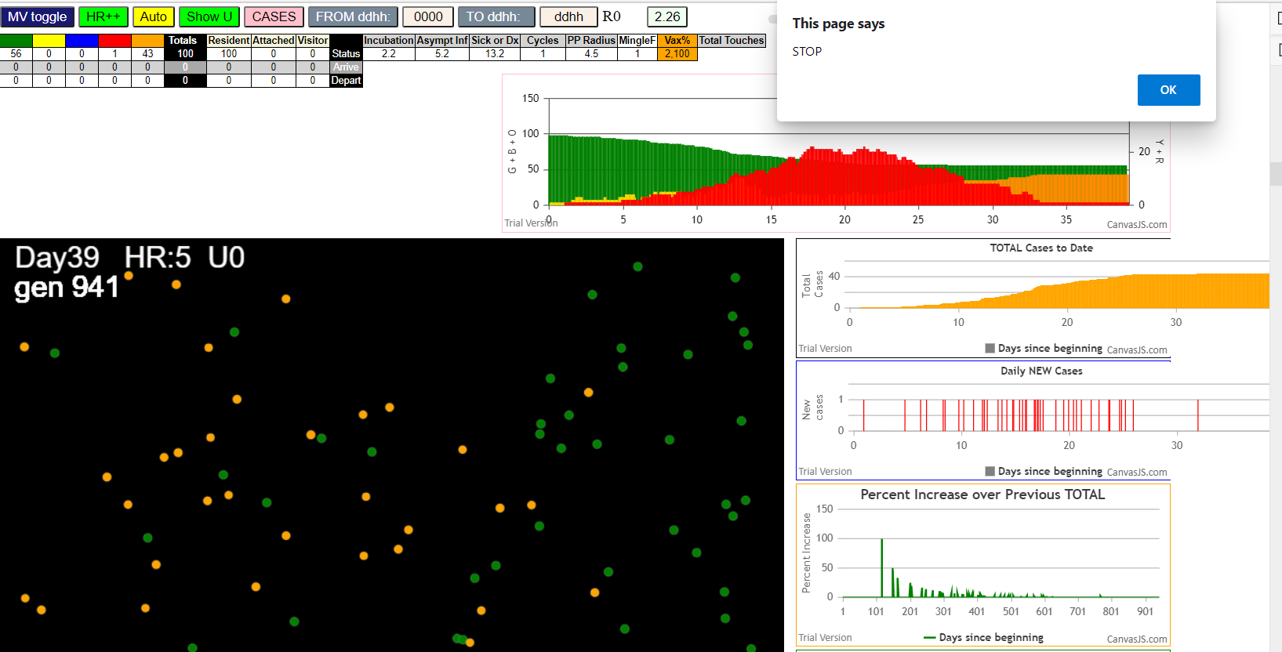
simulationRev2Vax.js:2157 37I i:famKey 4:-1 infected by red j:famKey 72:-1 at gen 447 in U0 prob=0.702
simulationRev2Vax.js:2157 38I i:famKey 13:-1 infected by red j:famKey 72:-1 at gen 452 in U0 prob=0.826
simulationRev2Vax.js:2157 39I i:famKey 44:-1 infected by red j:famKey 48:-1 at gen 477 in U0 prob=0.870
simulationRev2Vax.js:2140 40I j:famKey 92:-1 infected by red i:famKey 83:-1 at gen 479 in Univ0 prob=0.823
simulationRev2Vax.js:2157 41I i:famKey 69:-1 infected by red j:famKey 91:-1 at gen 491 in U0 prob=0.844
simulationRev2Vax.js:2157 42I i:famKey 53:-1 infected by blue j:famKey 99:-1 at gen 508 in U0 prob=0.757
simulationRev2Vax.js:2140 43I j:famKey 33:-1 infected by red i:famKey 13:-1 at gen 651 in Univ0 prob=0.971

simulationRev2Vax.js:833 Mon Jan 04 2021 19:41:41 GMT-0800 (Pacific Standard Time)
simulationRev2Vax.js:834 CovidSIMVL Mode1 and Mod2 Pfizer
simulationRev2Vax.js:4305 exit covidSim
simulationRev2Vax.js:23 getAsText File {name: "HundredAgentsU0mF1.csv", lastModified: 1608077990000, lastModifiedDate: Tue Dec 15 2020 16:19:50 GMT-0800 (Pacific Standard Time), webkitRelativePath: "", size: 2140, …}
...
simulationRev2Vax.js:2140 17I j:famKey 44:-1 infected by yellow i:famKey 43:-1 at gen 279 in Univ0 prob=0.753
simulationRev2Vax.js:2140 18I j:famKey 94:-1 infected by red i:famKey 29:-1 at gen 288 in Univ0 prob=0.749
simulationRev2Vax.js:2140 18I j:famKey 75:-1 infected by red i:famKey 47:-1 at gen 289 in Univ0 prob=0.455
simulationRev2Vax.js:2140 20I j:famKey 78:-1 infected by blue i:famKey 7:-1 at gen 301 in Univ0 prob=0.889
simulationRev2Vax.js:2140 21I j:famKey 68:-1 infected by blue i:famKey 15:-1 at gen 306 in Univ0 prob=0.860
simulationRev2Vax.js:2157 22I i:famKey 4:-1 infected by yellow j:famKey 28:-1 at gen 316 in U0 prob=0.881
simulationRev2Vax.js:2140 22I j:famKey 73:-1 infected by blue i:famKey 15:-1 at gen 317 in Univ0 prob=0.407
simulationRev2Vax.js:2157 24I i:famKey 2:-1 infected by blue j:famKey 28:-1 at gen 321 in U0 prob=0.674
simulationRev2Vax.js:2157 25I i:famKey 11:-1 infected by blue j:famKey 48:-1 at gen 332 in U0 prob=0.993
simulationRev2Vax.js:2140 26I j:famKey 25:-1 infected by blue i:famKey 15:-1 at gen 349 in Univ0 prob=0.886
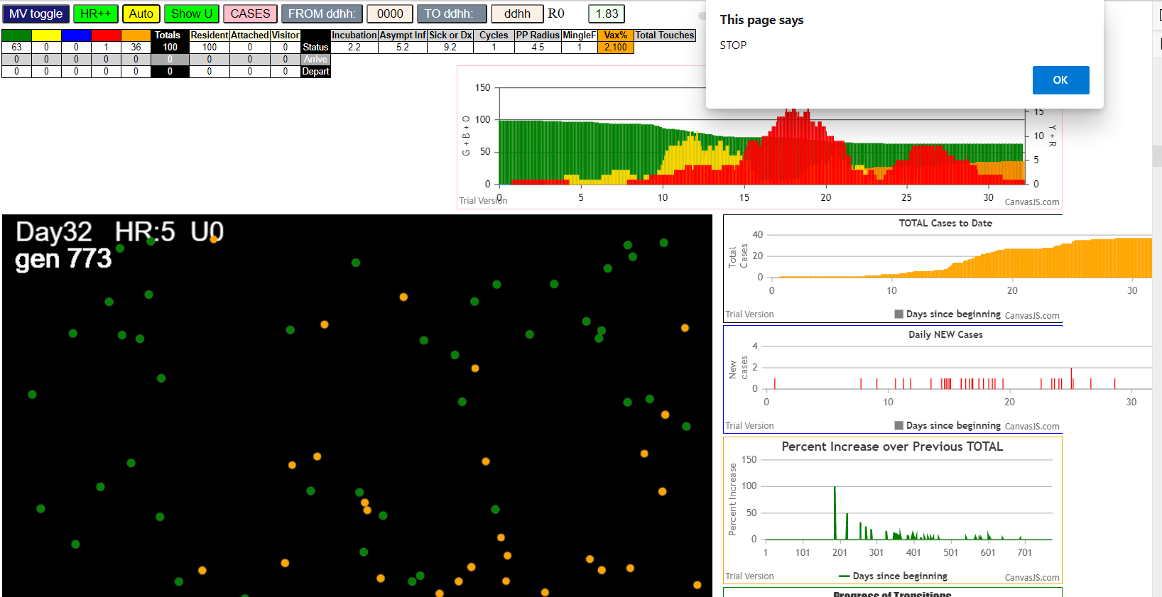
simulationRev2Vax.js:2140 27I j:famKey 98:-1 infected by red i:famKey 87:-1 at gen 421 in Univ0 prob=0.944
simulationRev2Vax.js:2140 28I j:famKey 27:-1 infected by red i:famKey 7:-1 at gen 446 in Univ0 prob=0.919
simulationRev2Vax.js:2157 28I i:famKey 14:-1 infected by red j:famKey 44:-1 at gen 447 in U0 prob=0.621
simulationRev2Vax.js:2140 30I j:famKey 31:-1 infected by red i:famKey 2:-1 at gen 456 in Univ0 prob=0.897
simulationRev2Vax.js:2157 31I i:famKey 66:-1 infected by red j:famKey 75:-1 at gen 469 in U0 prob=0.572
simulationRev2Vax.js:2140 32I j:famKey 85:-1 infected by red i:famKey 68:-1 at gen 484 in Univ0 prob=0.650
simulationRev2Vax.js:2157 33I i:famKey 81:-1 infected by blue j:famKey 98:-1 at gen 486 in U0 prob=0.785
simulationRev2Vax.js:2140 34I j:famKey 97:-1 infected by red i:famKey 68:-1 at gen 490 in Univ0 prob=0.962
simulationRev2Vax.js:2157 35I i:famKey 3:-1 infected by red j:famKey 25:-1 at gen 523 in U0 prob=0.561
simulationRev2Vax.js:2157 36I i:famKey 74:-1 infected by blue j:famKey 97:-1 at gen 568 in U0 prob=0.989

simulationRev2Vax.js:833 Mon Jan 04 2021 19:46:11 GMT-0800 (Pacific Standard Time)
simulationRev2Vax.js:834 CovidSIMVL Mode1 and Mod2 Pfizer
simulationRev2Vax.js:4305 exit covidSim
simulationRev2Vax.js:23 getAsText File {name: "HundredAgentsU0mF1.csv", lastModified: 1608077990000, lastModifiedDate: Tue Dec 15 2020 16:19:50 GMT-0800 (Pacific Standard Time), webkitRelativePath: "", size: 2140, …}
simulationRev2Vax.js:32 File {name: "HundredAgentsU0mF1.csv", lastModified: 1608077990000, lastModifiedDate: Tue Dec 15 2020 16:19:50 GMT-0800 (Pacific Standard Time), webkitRelativePath: "", size: 2140, …}
...
simulationRev2Vax.js:2157 36I i:famKey 21:-1 infected by blue j:famKey 61:-1 at gen 382 in U0 prob=0.633
simulationRev2Vax.js:2140 37I j:famKey 29:-1 infected by red i:famKey 25:-1 at gen 385 in Univ0 prob=0.898
simulationRev2Vax.js:2140 37I j:famKey 63:-1 infected by red i:famKey 59:-1 at gen 385 in Univ0 prob=0.897
simulationRev2Vax.js:2140 39I j:famKey 78:-1 infected by blue i:famKey 17:-1 at gen 387 in Univ0 prob=0.894
simulationRev2Vax.js:2157 40I i:famKey 26:-1 infected by red j:famKey 88:-1 at gen 390 in U0 prob=0.676
simulationRev2Vax.js:2157 41I i:famKey 14:-1 infected by red j:famKey 18:-1 at gen 395 in U0 prob=0.883
simulationRev2Vax.js:2140 41I j:famKey 38:-1 infected by blue i:famKey 17:-1 at gen 395 in Univ0 prob=0.810
simulationRev2Vax.js:2157 43I i:famKey 82:-1 infected by red j:famKey 88:-1 at gen 411 in U0 prob=0.847
simulationRev2Vax.js:2157 44I i:famKey 2:-1 infected by red j:famKey 70:-1 at gen 454 in U0 prob=0.736
simulationRev2Vax.js:2157 45I i:famKey 34:-1 infected by red j:famKey 74:-1 at gen 483 in U0 prob=0.774
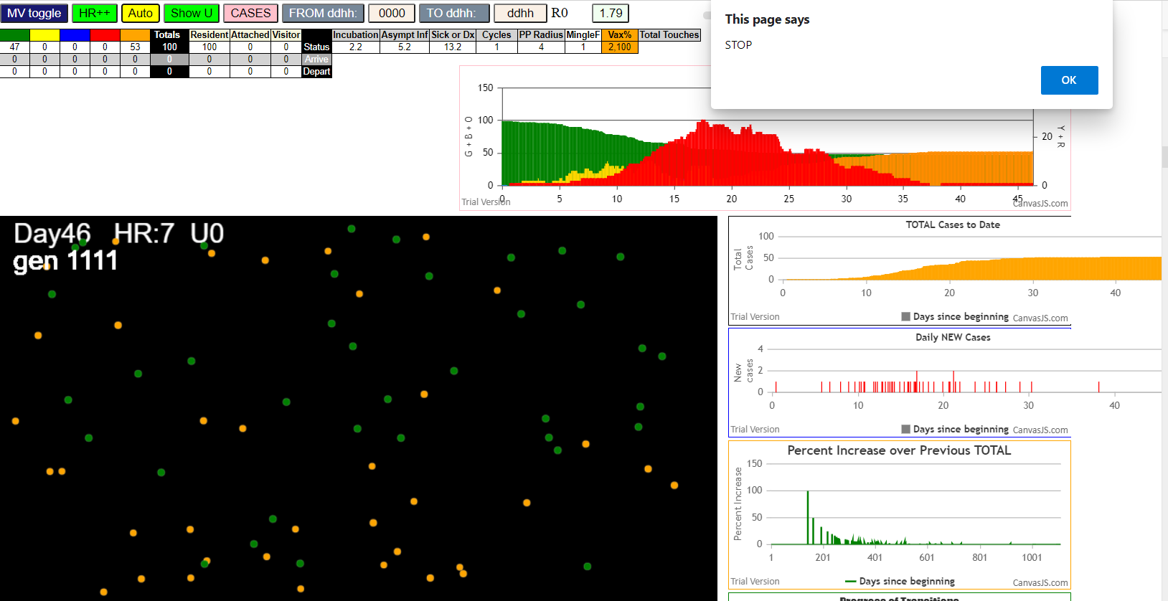
simulationRev2Vax.js:2140 46I j:famKey 76:-1 infected by blue i:famKey 63:-1 at gen 494 in Univ0 prob=0.757
simulationRev2Vax.js:2157 47I i:famKey 32:-1 infected by blue j:famKey 38:-1 at gen 507 in U0 prob=0.798
simulationRev2Vax.js:2157 48I i:famKey 16:-1 infected by red j:famKey 74:-1 at gen 514 in U0 prob=0.801
simulationRev2Vax.js:2157 49I i:famKey 46:-1 infected by red j:famKey 82:-1 at gen 540 in U0 prob=0.592
simulationRev2Vax.js:2157 50I i:famKey 6:-1 infected by red j:famKey 78:-1 at gen 573 in U0 prob=0.959
simulationRev2Vax.js:2140 51I j:famKey 57:-1 infected by blue i:famKey 16:-1 at gen 605 in Univ0 prob=0.968
simulationRev2Vax.js:2140 52I j:famKey 8:-1 infected by red i:famKey 6:-1 at gen 803 in Univ0 prob=0.964

Mon Jan 04 2021 19:54:13 GMT-0800 (Pacific Standard Time)
simulationRev2Vax.js:834 CovidSIMVL Mode1 and Mod2 Pfizer
simulationRev2Vax.js:4305 exit covidSim
simulationRev2Vax.js:23 getAsText File {name: "HundredAgentsU0mF1.csv", lastModified: 1608077990000, lastModifiedDate: Tue Dec 15 2020 16:19:50 GMT-0800 (Pacific Standard Time), webkitRelativePath: "", size: 2140, …}
simulationRev2Vax.js:32 File {name: "HundredAgentsU0mF1.csv", lastModified: 1608077990000, lastModifiedDate: Tue Dec 15 2020 16:19:50 GMT-0800 (Pacific Standard Time), webkitRelativePath: "", size: 2140, …}
simulationRev2Vax.js:23 getAsText File {name: "VL1.csv", lastModified: 1608081530000, lastModifiedDate: Tue Dec 15 2020 17:18:50 GMT-0800 (Pacific Standard Time), webkitRelativePath: "", size: 65, …}
simulationRev2Vax.js:32 File {name: "VL1.csv", lastModified: 1608081530000, lastModifiedDate: Tue Dec 15 2020 17:18:50 GMT-0800 (Pacific Standard Time), webkitRelativePath: "", size: 65, …}
...
simulationRev2Vax.js:2140 4I j:famKey 55:-1 infected by red i:famKey 9:-1 at gen 241 in Univ0 prob=0.552
simulationRev2Vax.js:2140 5I j:famKey 58:-1 infected by blue i:famKey 43:-1 at gen 256 in Univ0 prob=0.975
simulationRev2Vax.js:2140 6I j:famKey 93:-1 infected by blue i:famKey 35:-1 at gen 275 in Univ0 prob=0.900
simulationRev2Vax.js:2157 7I i:famKey 59:-1 infected by blue j:famKey 93:-1 at gen 323 in U0 prob=0.921
simulationRev2Vax.js:2157 8I i:famKey 39:-1 infected by red j:famKey 43:-1 at gen 325 in U0 prob=0.335
simulationRev2Vax.js:2157 9I i:famKey 54:-1 infected by blue j:famKey 55:-1 at gen 337 in U0 prob=0.778
simulationRev2Vax.js:2157 10I i:famKey 89:-1 infected by blue j:famKey 93:-1 at gen 361 in U0 prob=0.615
simulationRev2Vax.js:2140 11I j:famKey 91:-1 infected by blue i:famKey 39:-1 at gen 437 in Univ0 prob=0.630

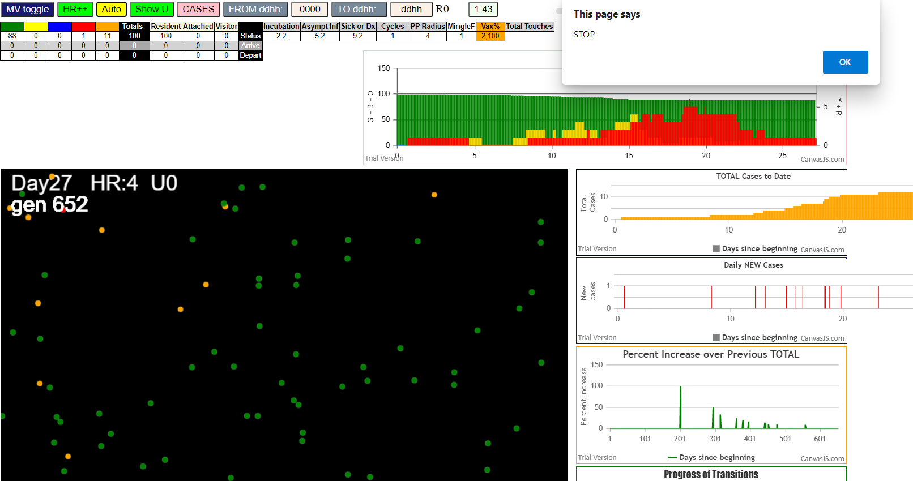

simulationRev2Vax.js:833 Mon Jan 04 2021 19:57:23 GMT-0800 (Pacific Standard Time)
simulationRev2Vax.js:834 CovidSIMVL Mode1 and Mod2 Pfizer
simulationRev2Vax.js:4305 exit covidSim
simulationRev2Vax.js:23 getAsText File {name: "HundredAgentsU0mF1.csv", lastModified: 1608077990000, lastModifiedDate: Tue Dec 15 2020 16:19:50 GMT-0800 (Pacific Standard Time), webkitRelativePath: "", size: 2140, …}
simulationRev2Vax.js:32 File {name: "HundredAgentsU0mF1.csv", lastModified: 1608077990000, lastModifiedDate: Tue Dec 15 2020 16:19:50 GMT-0800 (Pacific Standard Time), webkitRelativePath: "", size: 2140, …}
simulationRev2Vax.js:23 getAsText File {name: "VL2.csv", lastModified: 1609612386000, lastModifiedDate: Sat Jan 02 2021 10:33:06 GMT-0800 (Pacific Standard Time), webkitRelativePath: "", size: 84, …}
...
simulationRev2Vax.js:2140 23I j:famKey 27:-1 infected by red i:famKey 7:-1 at gen 439 in Univ0 prob=0.993
simulationRev2Vax.js:2140 24I j:famKey 29:-1 infected by red i:famKey 21:-1 at gen 457 in Univ0 prob=0.942
simulationRev2Vax.js:2157 25I i:famKey 13:-1 infected by blue j:famKey 81:-1 at gen 470 in U0 prob=0.923
simulationRev2Vax.js:2157 26I i:famKey 16:-1 infected by red j:famKey 99:-1 at gen 482 in U0 prob=0.879
simulationRev2Vax.js:2157 27I i:famKey 40:-1 infected by blue j:famKey 81:-1 at gen 484 in U0 prob=0.808
simulationRev2Vax.js:2157 27I i:famKey 35:-1 infected by red j:famKey 77:-1 at gen 485 in U0 prob=0.612
simulationRev2Vax.js:2140 29I j:famKey 58:-1 infected by blue i:famKey 27:-1 at gen 520 in Univ0 prob=0.573
simulationRev2Vax.js:2157 29I i:famKey 33:-1 infected by red j:famKey 86:-1 at gen 520 in U0 prob=0.796
simulationRev2Vax.js:2140 31I j:famKey 63:-1 infected by red i:famKey 58:-1 at gen 663 in Univ0 prob=0.998

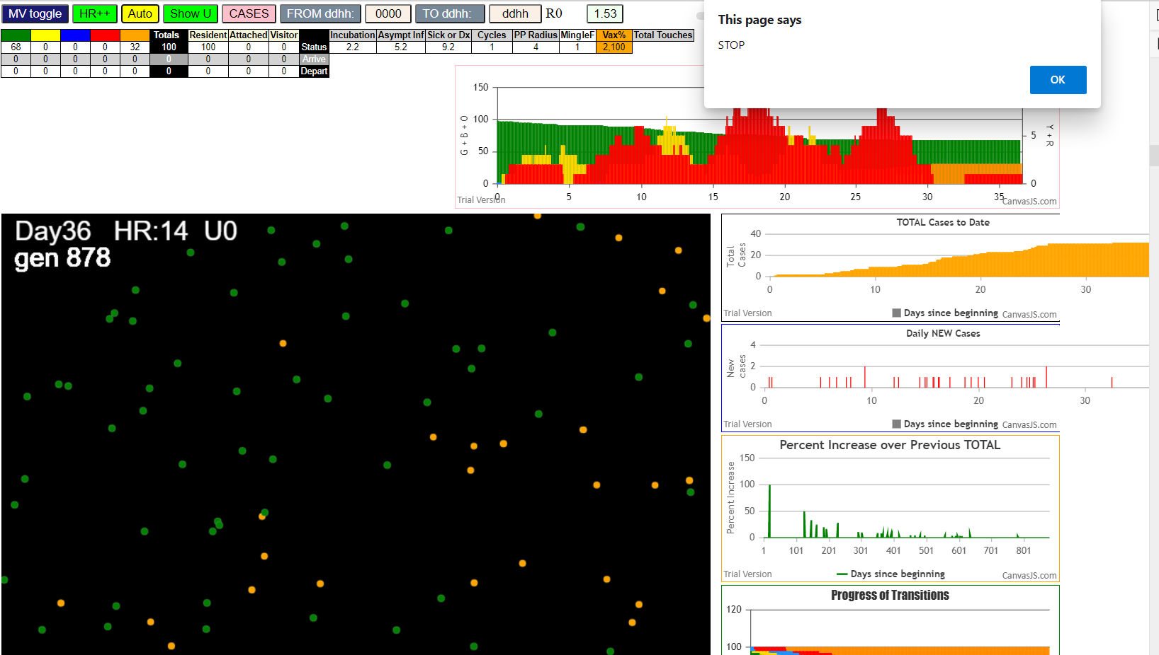

simulationRev2Vax.js:833 Mon Jan 04 2021 22:21:33 GMT-0800 (Pacific Standard Time)
simulationRev2Vax.js:834 CovidSIMVL Mode1 and Mod2 Pfizer
simulationRev2Vax.js:4305 exit covidSim
simulationRev2Vax.js:23 getAsText File {name: "HundredAgentsU0mF1.csv", lastModified: 1608077990000, lastModifiedDate: Tue Dec 15 2020 16:19:50 GMT-0800 (Pacific Standard Time), webkitRelativePath: "", size: 2140, …}
simulationRev2Vax.js:32 File {name: "HundredAgentsU0mF1.csv", lastModified: 1608077990000, lastModifiedDate: Tue Dec 15 2020 16:19:50 GMT-0800 (Pacific Standard Time), webkitRelativePath: "", size: 2140, …}
simulationRev2Vax.js:23 getAsText File {name: "VL1.csv", lastModified: 1608081530000, lastModifiedDate: Tue Dec 15 2020 17:18:50 GMT-0800 (Pacific Standard Time), webkitRelativePath: "", size: 65, …}
...
simulationRev2Vax.js:2140 71I j:famKey 98:-1 infected by blue i:famKey 28:-1 at gen 471 in Univ0 prob=0.789
simulationRev2Vax.js:2157 71I i:famKey 1:-1 infected by blue j:famKey 93:-1 at gen 472 in U0 prob=0.143
simulationRev2Vax.js:2140 73I j:famKey 12:-1 infected by blue i:famKey 7:-1 at gen 474 in Univ0 prob=0.036
simulationRev2Vax.js:2157 74I i:famKey 36:-1 infected by red j:famKey 82:-1 at gen 481 in U0 prob=0.001
simulationRev2Vax.js:2140 75I j:famKey 81:-1 infected by red i:famKey 33:-1 at gen 483 in Univ0 prob=0.215
simulationRev2Vax.js:2140 76I j:famKey 84:-1 infected by red i:famKey 7:-1 at gen 500 in Univ0 prob=0.457
simulationRev2Vax.js:2140 76I j:famKey 89:-1 infected by red i:famKey 45:-1 at gen 500 in Univ0 prob=0.109
simulationRev2Vax.js:2157 78I i:famKey 62:-1 infected by blue j:famKey 67:-1 at gen 502 in U0 prob=0.555
simulationRev2Vax.js:2140 79I j:famKey 38:-1 infected by red i:famKey 28:-1 at gen 505 in Univ0 prob=0.182
simulationRev2Vax.js:2140 80I j:famKey 53:-1 infected by blue i:famKey 39:-1 at gen 507 in Univ0 prob=0.374
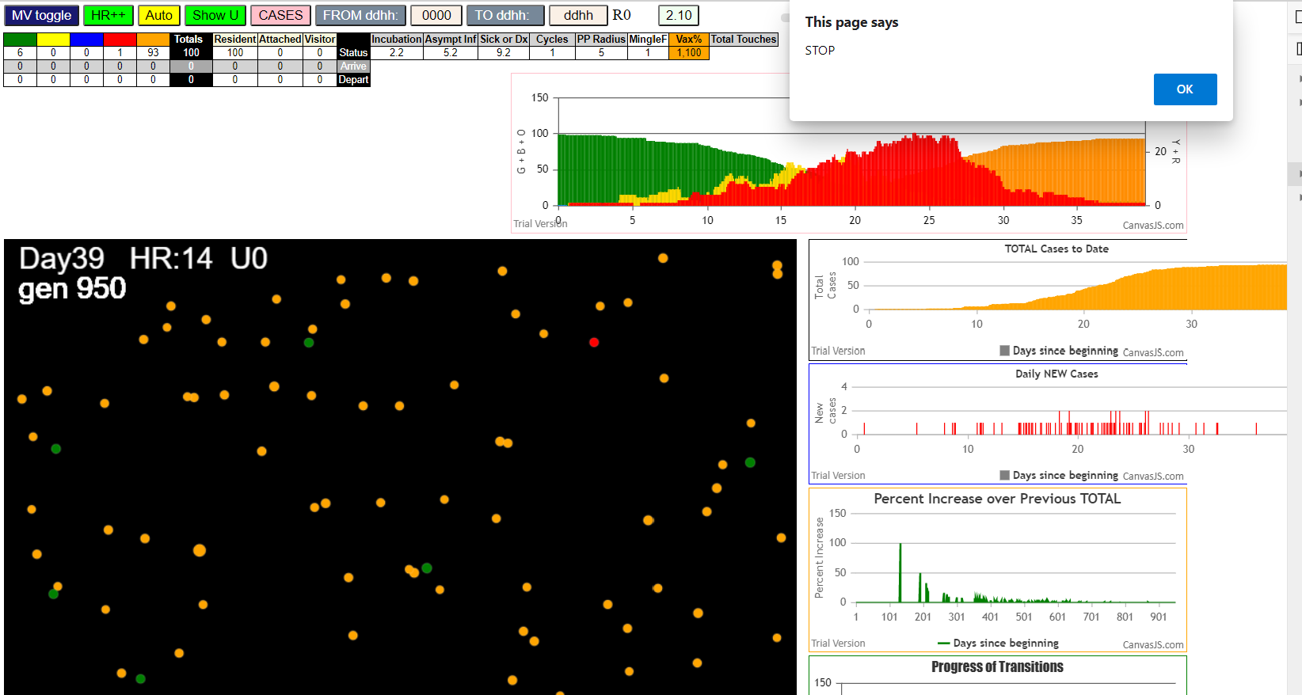
simulationRev2Vax.js:2157 81I i:famKey 37:-1 infected by blue j:famKey 95:-1 at gen 510 in U0 prob=0.868
simulationRev2Vax.js:2140 82I j:famKey 47:-1 infected by red i:famKey 33:-1 at gen 514 in Univ0 prob=0.021
simulationRev2Vax.js:2140 82I j:famKey 26:-1 infected by red i:famKey 23:-1 at gen 515 in Univ0 prob=0.740
simulationRev2Vax.js:2157 84I i:famKey 6:-1 infected by blue j:famKey 76:-1 at gen 542 in U0 prob=0.042
simulationRev2Vax.js:2140 84I j:famKey 97:-1 infected by red i:famKey 7:-1 at gen 542 in Univ0 prob=0.168
simulationRev2Vax.js:2157 86I i:famKey 30:-1 infected by blue j:famKey 92:-1 at gen 557 in U0 prob=0.834
simulationRev2Vax.js:2157 87I i:famKey 66:-1 infected by blue j:famKey 75:-1 at gen 560 in U0 prob=0.059
simulationRev2Vax.js:2157 88I i:famKey 3:-1 infected by blue j:famKey 38:-1 at gen 579 in U0 prob=0.335
simulationRev2Vax.js:2140 89I j:famKey 68:-1 infected by blue i:famKey 6:-1 at gen 614 in Univ0 prob=0.754
simulationRev2Vax.js:2157 90I i:famKey 79:-1 infected by red j:famKey 88:-1 at gen 632 in U0 prob=0.635
simulationRev2Vax.js:2157 91I i:famKey 18:-1 infected by red j:famKey 84:-1 at gen 660 in U0 prob=0.790
simulationRev2Vax.js:2157 92I i:famKey 17:-1 infected by yellow j:famKey 18:-1 at gen 662 in U0 prob=0.013
simulationRev2Vax.js:2140 93I j:famKey 48:-1 infected by blue i:famKey 18:-1 at gen 750 in Univ0 prob=0.434

simulationRev2Vax.js:833 Mon Jan 04 2021 22:29:14 GMT-0800 (Pacific Standard Time)
simulationRev2Vax.js:834 CovidSIMVL Mode1 and Mod2 Pfizer
simulationRev2Vax.js:4305 exit covidSim
simulationRev2Vax.js:23 getAsText File {name: "HundredAgentsU0mF1.csv", lastModified: 1608077990000, lastModifiedDate: Tue Dec 15 2020 16:19:50 GMT-0800 (Pacific Standard Time), webkitRelativePath: "", size: 2140, …}
simulationRev2Vax.js:32 File {name: "HundredAgentsU0mF1.csv", lastModified: 1608077990000, lastModifiedDate: Tue Dec 15 2020 16:19:50 GMT-0800 (Pacific Standard Time), webkitRelativePath: "", size: 2140, …}
simulationRev2Vax.js:23 getAsText File {name: "VL1.csv", lastModified: 1608081530000, lastModifiedDate: Tue Dec 15 2020 17:18:50 GMT-0800 (Pacific Standard Time), webkitRelativePath: "", size: 65, …}
...
simulationRev2Vax.js:2157 56I i:famKey 13:-1 infected by red j:famKey 52:-1 at gen 737 in U0 prob=0.927
simulationRev2Vax.js:2140 58I j:famKey 58:-1 infected by blue i:famKey 14:-1 at gen 741 in Univ0 prob=0.032
simulationRev2Vax.js:2140 58I j:famKey 42:-1 infected by yellow i:famKey 15:-1 at gen 742 in Univ0 prob=0.371
simulationRev2Vax.js:2140 60I j:famKey 70:-1 infected by blue i:famKey 57:-1 at gen 765 in Univ0 prob=0.969
simulationRev2Vax.js:2140 61I j:famKey 62:-1 infected by red i:famKey 29:-1 at gen 777 in Univ0 prob=0.954
simulationRev2Vax.js:2157 62I i:famKey 1:-1 infected by blue j:famKey 93:-1 at gen 783 in U0 prob=0.496
simulationRev2Vax.js:2140 63I j:famKey 88:-1 infected by red i:famKey 14:-1 at gen 802 in Univ0 prob=0.078
simulationRev2Vax.js:2157 64I i:famKey 36:-1 infected by red j:famKey 57:-1 at gen 816 in U0 prob=0.616
simulationRev2Vax.js:2140 65I j:famKey 73:-1 infected by red i:famKey 63:-1 at gen 855 in Univ0 prob=0.747
simulationRev2Vax.js:2140 66I j:famKey 98:-1 infected by blue i:famKey 70:-1 at gen 866 in Univ0 prob=0.859
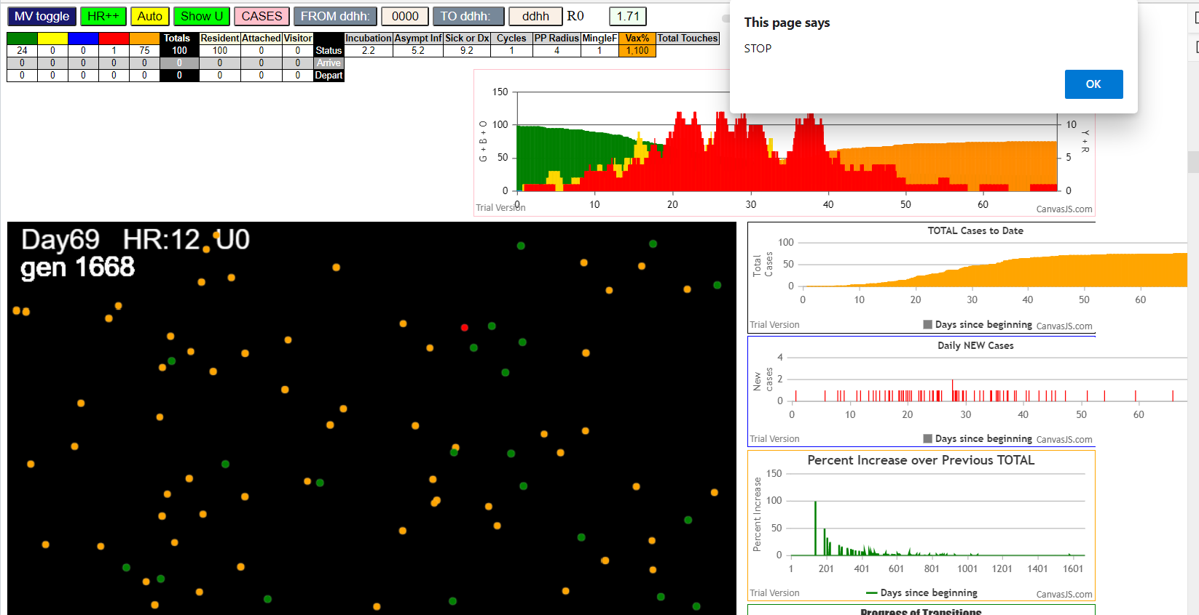
simulationRev2Vax.js:2140 67I j:famKey 94:-1 infected by red i:famKey 87:-1 at gen 911 in Univ0 prob=0.924
simulationRev2Vax.js:2157 68I i:famKey 45:-1 infected by blue j:famKey 98:-1 at gen 943 in U0 prob=0.585
simulationRev2Vax.js:2140 69I j:famKey 61:-1 infected by red i:famKey 36:-1 at gen 958 in Univ0 prob=0.334
simulationRev2Vax.js:2157 70I i:famKey 75:-1 infected by red j:famKey 88:-1 at gen 978 in U0 prob=0.318
simulationRev2Vax.js:2140 71I j:famKey 82:-1 infected by blue i:famKey 45:-1 at gen 1017 in Univ0 prob=0.356
simulationRev2Vax.js:2140 72I j:famKey 96:-1 infected by red i:famKey 61:-1 at gen 1112 in Univ0 prob=0.138
simulationRev2Vax.js:2157 73I i:famKey 78:-1 infected by blue j:famKey 96:-1 at gen 1175 in U0 prob=0.059
simulationRev2Vax.js:2157 74I i:famKey 68:-1 infected by red j:famKey 96:-1 at gen 1305 in U0 prob=0.556
simulationRev2Vax.js:2157 75I i:famKey 48:-1 infected by red j:famKey 68:-1 at gen 1462 in U0 prob=0.189

